Pump
File name | Pump.hsc
Unit Operation | P-100

Workflow
1. Open attached Pump.hsc file.
2. Click on the Datasheet button on the riibon.
3. Select a server to connect, then connect to a workspace.
4. Go to Mapper tab, click on the hyperlink of P-100 to open Object Mapping screen.
5. Select 'CentrifugalPmup' for the MapAs Column, and 'Create' for Workspace Object column.
6. Make sure the ports of the Pump are mapped automated.
7. Click on Close icon at the top right to close the Object Mapping screen.
8. Click Save Change and Transfer button. Make sure P-100 is created and data transfer complete dialog pops up. Click OK to close it.

Expected Results |  | Notes: Existing Defect CQ00770284 V10 [SM]-Hysys-Pump:Differential Pressure is incorrect

Pump (CQ00734580) |  |  |  |  |  |  | OtherValues |  | MaterialPorts | Nozzles
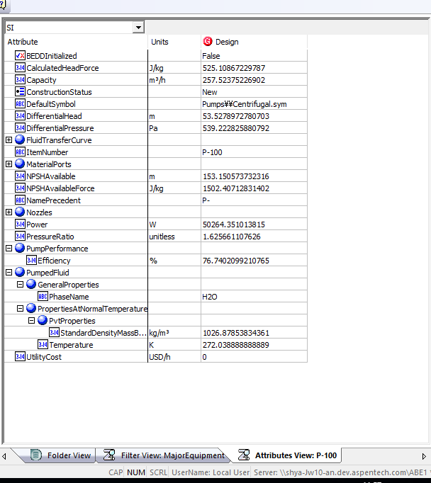
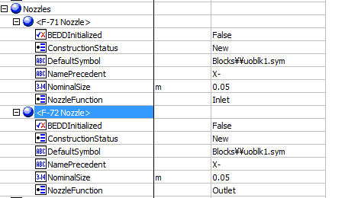
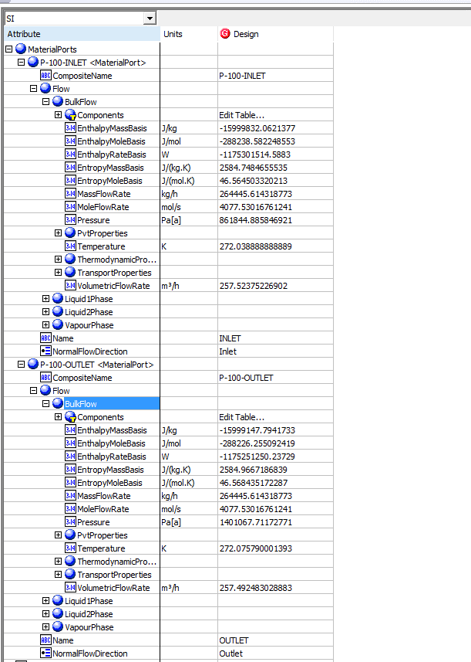
Index Number | Attributes | AbeAdsPump Class View | ABE Default View | Hysys Value | Unit

1 | Capacity/Act. Volume Flow | VolumetricFlowIn | Capacity | 257.52375433 | m3/h | 257.52375433
2 | Pump Inlet Pressure | PressureIn | MaterialPorts[Name="Inlet"].Flow.BulkFlow.Pressure | 861.84488585 | kPa
3 | Pump outlet Pressure | PressureOut | MaterialPorts[Name="Outlet"].Flow.BulkFlow.Pressure | 1401.0677117 | kPa
4 | Differential Pressure | PressureDrop | Differential Pressure | 539.22282588 | kPa
5 | Pressure Head | CalculatedHead | Differential Head | 53.546182672 | m
6 | NPSH Available | NPSHAvailable | NPSHAvailable | 153.20289122 | m
7 | Pump Fluid | PumpFluid | PumpedFluid.GeneralProperties.PhaseName | H2O
8 | Specific heat | Ports.Outlet.BulkMolarHeatCapacity | Ports.Outlet.BulkMolarHeatCapacity | 77.927827347 | kJ/kgmole-C
9 | Adiabatic efficiency | AdiabaticEfficiency | PumpPerformance.Efficiency | 0.76740209921 | fraction
10 | Inlet Nozzle size | InletNozzleSize | Nozzles.[Name Nozzle].NominalSize | 0.05 | m
11 | Outlet Nozzle size | OutletNozzleSize | Nozzles.[Name Nozzle].NominalSize | 0.05 | m
12 | Total Power | FluidPower | Power | 50.264351014 | kW
13 | Viscosity | Viscosity | MaterialPorts.[Name="Inlet-Pump Energy"].Flow.BulkFlow.TransportProperties.Viscosity | Blank | cP
14 | Inlet Temperature | TemperatureIn | PumpedFluid.PropertiesAtNormalTemperature.Temperature | 272.03888889 | K
15 | Inlet mass density | InletMassDensity | PumpedFluid.PropertiesAtNormalTemperature.PvtProperties.StandardDensityMassBasis | 1026.8785383 | kg/m3
16 | Pressure Ratio | PressureRatio | Pressure Ratio | 1.6256611076

Pump Curve (CQ00734580) |  |  |  |  |  | 5.4583264701

Index Number | Classview Attributes | Ads (AdbPump) | Hysys Value | Unit

19 | Curves.[Name FluidTransferCurve].CurveData.Efficiency | FluidTransferCurve.[Name FluidTransferCurve].PerformanceCurve.[Name CurveData].Efficiency
 |  |  | 60 | %
 |  |  | 65 | %
 |  |  | 70 | %
 |  |  | 72 | %
 |  |  | 76 | % |  |  |  | Pump Curve
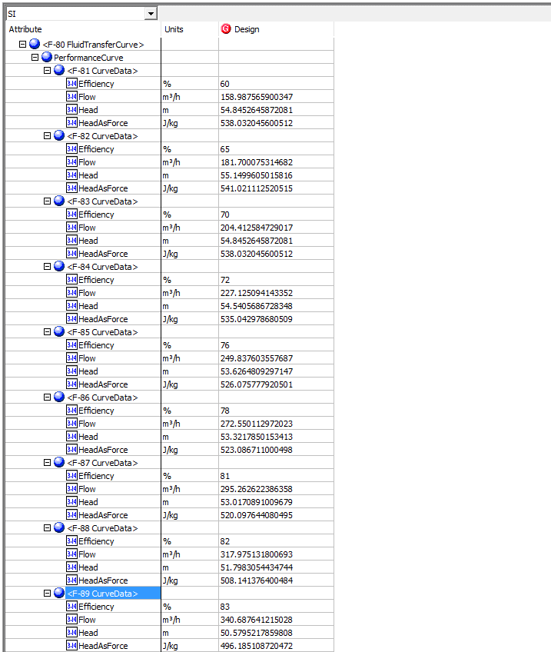
 |  |  | 78 | %
 |  |  | 81 | %
 |  |  | 82 | %
 |  |  | 83 | %

17 | Curves.[Name FluidTransferCurve].CurveData.Flow | FluidTransferCurve.[Name FluidTransferCurve].PerformanceCurve.[Name CurveData].Flow
 |  |  | 158.9875659 | m3/h
 |  |  | 181.70007531 | m3/h
 |  |  | 204.41258473 | m3/h
 |  |  | 227.12509414 | m3/h
 |  |  | 249.83760656 | m3/h
 |  |  | 272.55011297 | m3/h
 |  |  | 295.26262239 | m3/h
 |  |  | 317.9751318 | m3/h
 |  |  | 340.68764122 | m3/h

18 | Curves.[Name FluidTransferCurve].CurveData.Head | FluidTransferCurve.[Name FluidTransferCurve].PerformanceCurve.[Name CurveData].Head
 |  |  | 54.86400000 | m
 |  |  | 55.16880000 | m
 |  |  | 54.86400000 | m
 |  |  | 54.55920000 | m
 |  |  | 53.64480000 | m
 |  |  | 53.34000000 | m
 |  |  | 53.03520000 | m
 |  |  | 51.81600000 | m
 |  |  | 50.59680000 | m

Summary
TEST | Assigned To | Status | Comments | Comments Data Transfer | Colour references
Pump | Miriam | Done | Pressure Head and NPSH Available are transferred with wrong units. Defect already reported and currently assigned - 798195
Heaters | OS | Done | Updated. Excluding some attributes that are not transferred | Rig FH 25 ANT; Simple FH 8 ANT |  | The atribute is the same
Multi-Mapping Heat Exchanger | Miriam | done | Updated |  |  | The atribute changed
Separator | OS | Done |  |  | Attribute | Attribute is not transfered
Valve | Miriam | done | Updated
Shell and Tube HX | OS | Done | Updated. One attribute is not transferred | 1 ANT
Rigorous SnT | Miriam | Done | Updated
Air Cooled | OS | done | Some attributes are not being transferred. Going to check with the developers | 934401
Heat Curves | Miriam | Done | updated
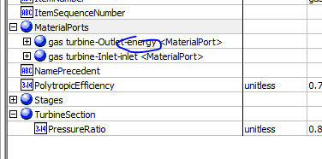
Compressor | OS | Done |  | 798195
Multi Compressor | Miriam | done | updated | 927828
Expander | OS | Done | The compressor defect is also reproducible. Ask Alonso about outlet material port which has energy name.
Streams | Miriam | Done | updated
Vessels | OS | Done | Updates. Some attributes are not transferred
Utility | Miriam | Done | updated
Column | OS | Done

Multi-Mapping-HeatExchanger
File name | Heater_Cooler.hsc
Unit Operation | Cooler, E-100

Workflow (please see detailed test case on P4)
1. Open attached Heater_Cooler.hsc file.
2. Click on Datasheet button, select a server and workspace to connect .
3. Click on Mapper tab, click on the "Cooler" on the "Flowsheet Object" tab. Make sure Object Mapping screen opens, and the ports are mapped automactially in Port Mapping section.
4. Select "HeatExchangerSide" under "Map As" column, and " Create" under "Workspace Object" column. Close the Object Mapping screen by clicking "x" at the top right corner.
5. Repeat step 3-4 for the heater "E-100". Click Save Change and Transfer.
6. Click on the Explorer tab, create a Shell and Tube Heat Exchanger in by Equipment view.
7. In the attribute view, click on "Show/Hide properties" icon, and select "Show All Atrribuetes".
8. Scroll down to "ColdSide", right click on Design column, and select "Insert Subobject" in the context menu.
9. Select the "existing Object" radio button and select "Cooler<HeatExchangerSide>" Object and click OK.
10. Click on the "Default Attributes" icon above the attribute grid.
11. Confirm the following: a. The Assemblies Attribute will show the ThermalSide; Hot or Cold and the PhysicalSide: Shell or Tube of the Heat Exchanger. The Cold Side is by default the Shell Side of the Exchanger b. The Material Ports flow information for the Shell Side have been populated with the Material Ports information from the Cold Side c. The HeatDuty under the PerformanceCriteria have also been populated with the Heat Duty from the Cold Side
12. Repeat steps 8-11 for HotSide. Confirm: a. Confirm the Material Ports under the Tube Side have been populated with the Material Ports information from the Hot Side b. Confirm the Heat Duty under the PerformanceCriteria has been overwritten with the Heat Duty from the Hot Side (the Heat duty of the heat exchanger will be equal to the last heat exchanger side added to it)

Expected Results

Multimapping-HX (CQ00747904)

Index Number | Attributes | Hysys Attributes Name | ABE Default Attributes | Hysys Value | Units

Hot Side
8 | Duty | Duty | PerformanceCriteria.PerformanceData.<Name ExchangePerformanceData>.HeatDuty | 11722.845532 | W
Curves | Enthalpy | HotSideCurves.<Name ExchangerFluidProfileTable>.EnthalpyMoleBasis.EnthalpyMoleBasis() | HotSide.FluidProfiles.<Name ExchangerFluidProfileTable>.EnthalpyMoleBasis.EnthalpyMoleBasis() | -49269.312914 | kJ/kgmole
 |  |  |  | -51118.113664 | kJ/kgmole
 |  |  |  | -52926.703348 | kJ/kgmole
 |  |  |  | -54694.161366 | kJ/kgmole
 |  |  |  | -56419.666025 | kJ/kgmole
 |  |  |  | -58102.509885 | kJ/kgmole
 |  |  |  | -59742.116503 | kJ/kgmole
 |  |  |  | -61338.059088 | kJ/kgmole
 |  |  |  | -62890.081816 | kJ/kgmole
 |  |  |  | -64398.124899 | kJ/kgmole
 |  |  |  | -65862.355102 | kJ/kgmole | HotSide
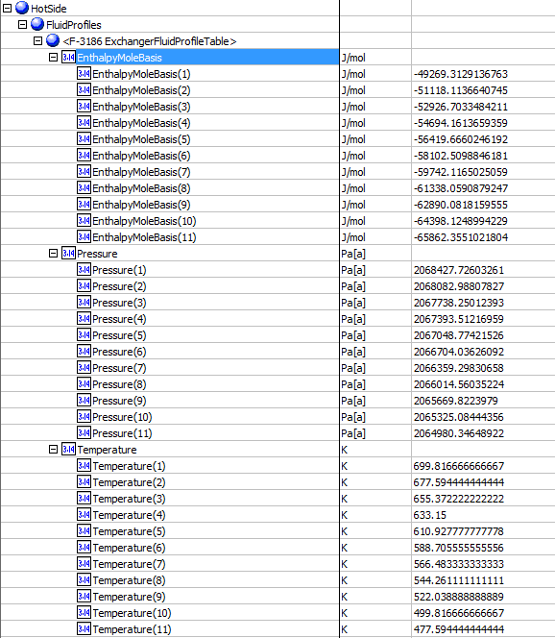
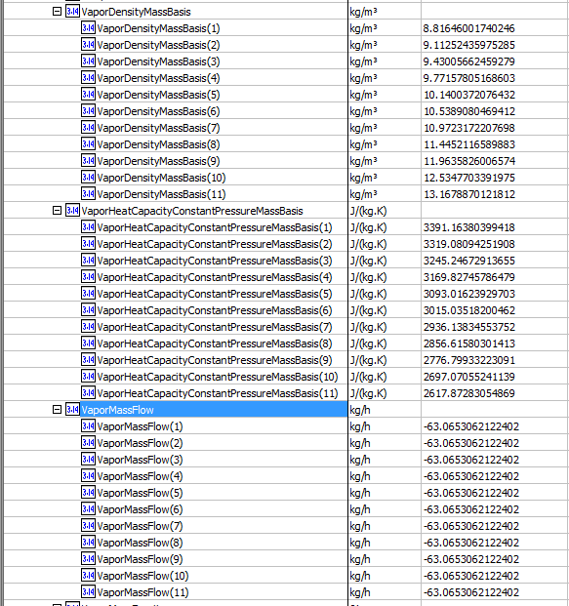
Curves | Pressure | HotSideCurves.<Name ExchangerFluidProfileTable>.Pressure.Pressure() | HotSide.FluidProfiles.<Name ExchangerFluidProfileTable>.Pressure.Pressure() | 2068.427726 | kPa
 |  |  |  | 2068.0829881 | kPa
 |  |  |  | 2067.7382501 | kPa
 |  |  |  | 2067.3935122 | kPa
 |  |  |  | 2067.0487742 | kPa
 |  |  |  | 2066.7040363 | kPa
 |  |  |  | 2066.3592983 | kPa
 |  |  |  | 2066.0145604 | kPa
 |  |  |  | 2065.6698224 | kPa
 |  |  |  | 2065.3250844 | kPa
 |  |  |  | 2064.9803465 | kPa
Curves | Temperature | HotSideCurves.<Name ExchangerFluidProfileTable>.Temperature.Temperature() | HotSide.FluidProfiles.<Name ExchangerFluidProfileTable>.Temperature.Temperature() | 699.81666667 | K
 |  |  |  | 677.59444444 | K
 |  |  |  | 655.37222222 | K
 |  |  |  | 633.15 | K
 |  |  |  | 610.92777778 | K
 |  |  |  | 588.70555556 | K
 |  |  |  | 566.48333333 | K
 |  |  |  | 544.26111111 | K
 |  |  |  | 522.03888889 | K
 |  |  |  | 499.81666667 | K
 |  |  |  | 477.59444444 | K
Curves | Vapor Density | HotSideCurves.<Name ExchangerFluidProfileTable>.VaporDensityMassBasis.VaporDensityMassBasis() | HotSide.FluidProfiles.<Name ExchangerFluidProfileTable>.VaporDensityMassBasis.VaporDensityMassBasis() | 8.8164600174 | kg/m3
 |  |  |  | 9.1125243598 | kg/m3
 |  |  |  | 9.4300566246 | kg/m3
 |  |  |  | 9.7715780517 | kg/m3
 |  |  |  | 10.140037208 | kg/m3
 |  |  |  | 10.538908047 | kg/m3
 |  |  |  | 10.972317221 | kg/m3
 |  |  |  | 11.445211659 | kg/m3
 |  |  |  | 11.963582601 | kg/m3
 |  |  |  | 12.534770339 | kg/m3
 |  |  |  | 13.167887012 | kg/m3
Curves | Vapor Mass Flow | HotSideCurves.<Name ExchangerFluidProfileTable>.VaporMassFlow.VaporMassFlow() | HotSide.FluidProfiles.<Name ExchangerFluidProfileTable>.VaporMassFlow.VaporMassFlow() | -63.065306717 | kg/h
 |  |  |  | -63.065306717 | kg/h
 |  |  |  | -63.065306717 | kg/h
 |  |  |  | -63.065306717 | kg/h
 |  |  |  | -63.065306717 | kg/h
 |  |  |  | -63.065306717 | kg/h
 |  |  |  | -63.065306717 | kg/h
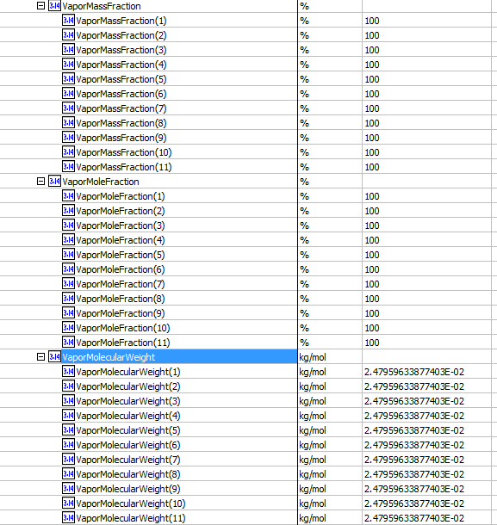
 |  |  |  | -63.065306717 | kg/h
 |  |  |  | -63.065306717 | kg/h
 |  |  |  | -63.065306717 | kg/h
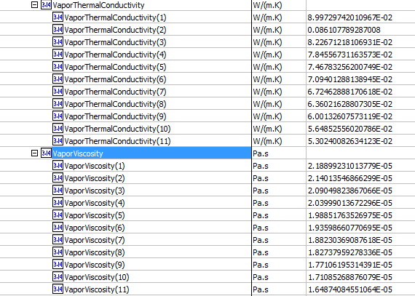
 |  |  |  | -63.065306717 | kg/h
Curves | Vapor Phase Mass Fraction | HotSideCurves.<Name ExchangerFluidProfileTable>.VaporMassFraction.VaporMassFraction() | HotSide.FluidProfiles.<Name ExchangerFluidProfileTable>.VaporMassFraction.VaporMassFraction() | 1
 |  |  |  | 1
 |  |  |  | 1
 |  |  |  | 1
 |  |  |  | 1
 |  |  |  | 1
 |  |  |  | 1
 |  |  |  | 1
 |  |  |  | 1
 |  |  |  | 1
 |  |  |  | 1
Curves | Vapor Frac. | HotSideCurves.<Name ExchangerFluidProfileTable>.VaporMoleFraction.VaporMoleFraction() | HotSide.FluidProfiles.<Name ExchangerFluidProfileTable>.ValorMoleFraction.VaporMoleFraction() | 1
 |  |  |  | 1
 |  |  |  | 1
 |  |  |  | 1
 |  |  |  | 1
 |  |  |  | 1
 |  |  |  | 1
 |  |  |  | 1
 |  |  |  | 1
 |  |  |  | 1
 |  |  |  | 1
Curves | Vapor MW | HotSideCurves.<Name ExchangerFluidProfileTable>.VaporMolecularWeight.VaporMolecularWeight() | HotSide.FluidProfiles.<Name ExchangerFluidProfileTable>.VaporMolecularWeight.VaporMolecularWeight() | 24.795963388 | g/mol
 |  |  |  | 24.795963388 | g/mol
 |  |  |  | 24.795963388 | g/mol
 |  |  |  | 24.795963388 | g/mol
 |  |  |  | 24.795963388 | g/mol
 |  |  |  | 24.795963388 | g/mol
 |  |  |  | 24.795963388 | g/mol
 |  |  |  | 24.795963388 | g/mol
 |  |  |  | 24.795963388 | g/mol
 |  |  |  | 24.795963388 | g/mol
 |  |  |  | 24.795963388 | g/mol
Curves | Vapor Thermal Cond. | HotSideCurves.<Name ExchangerFluidProfileTable>.VaporThermalConductivity.VaporThermalConductivity() | HotSide.FluidProfiles.<Name ExchangerFluidProfileTable>.VaporThermalConductivity.VaporThermalConductivity() | 0.089972974201 | W/m-K
 |  |  |  | 0.086107789287 | W/m-K
 |  |  |  | 0.082267121811 | W/m-K
 |  |  |  | 0.078455673116 | W/m-K
 |  |  |  | 0.07467832562 | W/m-K
 |  |  |  | 0.070940128814 | W/m-K
 |  |  |  | 0.067246288817 | W/m-K
 |  |  |  | 0.063602162881 | W/m-K
 |  |  |  | 0.060013260757 | W/m-K
 |  |  |  | 0.056485255602 | W/m-K
 |  |  |  | 0.053024008263 | W/m-K
Curves | Vapor Viscosity | HotSideCurves.<Name ExchangerFluidProfileTable>.VaporViscosity.VaporViscosity() | HotSide.FluidProfiles.<Name ExchangerFluidProfileTable>.VaporViscosity.VaporViscosity() | 0.021889923101 | cP
 |  |  |  | 0.021401354687 | cP
 |  |  |  | 0.020904982387 | cP
 |  |  |  | 0.020399901367 | cP
 |  |  |  | 0.019885176353 | cP
 |  |  |  | 0.019359866077 | cP
 |  |  |  | 0.018823036909 | cP
 |  |  |  | 0.018273795928 | cP
 |  |  |  | 0.017710619531 | cP
 |  |  |  | 0.017108526888 | cP
 |  |  |  | 0.016487408455 | cP

Cold Side
8 | Duty | Duty | PerformanceCriteria.PerformanceData.<Name ExchangePerformanceData>.HeatDuty | 11722.845532 | W
Curves | Enthalpy | ColdSideCurves.<Name ExchangerFluidProfileTable>.EnthalpyMoleBasis.EnthalpyMoleBasis() | ColdSide.FluidProfiles.<Name ExchangerFluidProfileTable>.EnthalpyMoleBasis.EnthalpyMoleBasis() | -89310.091438 | kJ/kgmole
 |  |  |  | -86871.453514 | kJ/kgmole
 |  |  |  | -83771.697583 | kJ/kgmole
 |  |  |  | -79954.774902 | kJ/kgmole
 |  |  |  | -77259.196694 | kJ/kgmole
 |  |  |  | -76693.59952 | kJ/kgmole
 |  |  |  | -76121.109171 | kJ/kgmole
 |  |  |  | -75540.790441 | kJ/kgmole
 |  |  |  | -74951.906001 | kJ/kgmole
 |  |  |  | -74353.862228 | kJ/kgmole | ColdSide
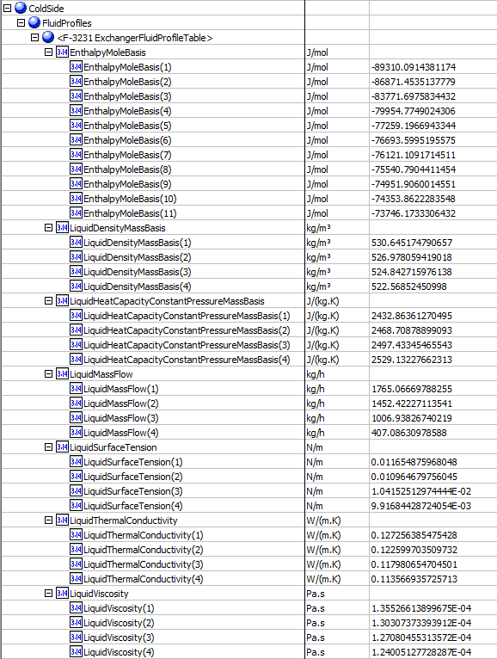
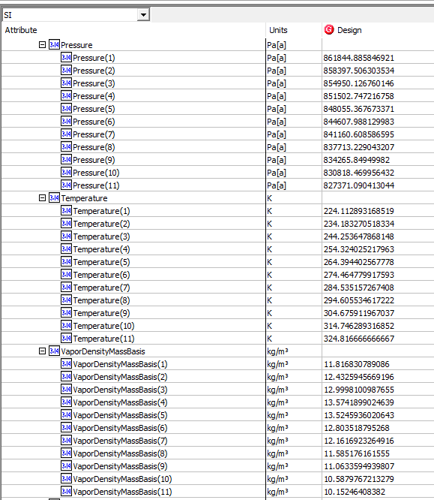
 |  |  |  | -73746.173331 | kJ/kgmole
Curves | Light Liq. Density | ColdSideCurves.<Name ExchangerFluidProfileTable>.LiquidDensityMassBasis.LiquidDensityMassBasis() | ColdSide.FluidProfiles.<Name ExchangerFluidProfileTable>.LiquidDensityMassBasis.LiquidDensityMassBasis() | 530.64517479 | kg/m3
 |  |  |  | 526.97805942 | kg/m3
 |  |  |  | 524.84271598 | kg/m3
 |  |  |  | 522.56852451 | kg/m3
Curves | Light Liq. Mass Flow | ColdSideCurves.<Name ExchangerFluidProfileTable>.LiquidMassFlow.LiquidMassFlow() | ColdSide.FluidProfiles.<Name ExchangerFluidProfileTable>.LiquidMassFlow.LiquidMassFlow() | 1765.066712 | kg/h
 |  |  |  | 1452.4222828 | kg/h
 |  |  |  | 1006.9382755 | kg/h
 |  |  |  | 407.08631304 | kg/h
Curves | Light Liq. Surface Tension | ColdSideCurves.<Name ExchangerFluidProfileTable>.LiquidSurfaceTension.LiquidSurfaceTension() | ColdSide.FluidProfiles.<Name ExchangerFluidProfileTable>.LiquidSurfaceTension.LiquidSurfaceTension() | 11.654875968 | dyne/cm
 |  |  |  | 10.964679756 | dyne/cm
 |  |  |  | 10.415251297 | dyne/cm
 |  |  |  | 9.9168442872 | dyne/cm
Curves | Light Liq. Thermal Conductivity | ColdSideCurves.<Name ExchangerFluidProfileTable>.LiquidThermalConductivity.LiquidThermalConductivity() | ColdSide.FluidProfiles.<Name ExchangerFluidProfileTable>.LiquidThermalConductivity.LiquidThermalConductivity() | 0.12725638548 | W/m-K
 |  |  |  | 0.12259970351 | W/m-K
 |  |  |  | 0.1179806547 | W/m-K
 |  |  |  | 0.11356693573 | W/m-K
Curves | Liquid Mass Specific Heat | ColdSideCurves.<Name ExchangerFluidProfileTable>.LiquidSpecificHeat.LiquidSpecificHeat() | ColdSide.FluidProfiles.<Name ExchangerFluidProfileTable>.LiquidHeatCapacityConstantPressureMassBasis.LiquidHeatCapacityConstantPressureMassBasis() | 2.4328636127 | kJ/kg-C
 |  |  |  | 2.468708789 | kJ/kg-C
 |  |  |  | 2.4974334547 | kJ/kg-C
 |  |  |  | 2.5291322766 | kJ/kg-C
Curves | Light Liq. Viscosity | ColdSideCurves.<Name ExchangerFluidProfileTable>.LiquidViscosity.LiquidViscosity() | ColdSide.FluidProfiles.<Name ExchangerFluidProfileTable>.LiquidViscosity.LiquidViscosity() | 0.1355266139 | cP
 |  |  |  | 0.13030737339 | cP
 |  |  |  | 0.12708045531 | cP
 |  |  |  | 0.12400512773 | cP
Curves | Pressure | ColdSideCurves.<Name ExchangerFluidProfileTable>.Pressure.Pressure () | ColdSide.FluidProfiles.<Name ExchangerFluidProfileTable>.Pressure.Pressure () | 861.84488585 | kPa
 |  |  |  | 858.3975063 | kPa
 |  |  |  | 854.95012676 | kPa
 |  |  |  | 851.50274722 | kPa
 |  |  |  | 848.05536767 | kPa
 |  |  |  | 844.60798813 | kPa
 |  |  |  | 841.16060859 | kPa
 |  |  |  | 837.71322904 | kPa
 |  |  |  | 834.2658495 | kPa
 |  |  |  | 830.81846996 | kPa
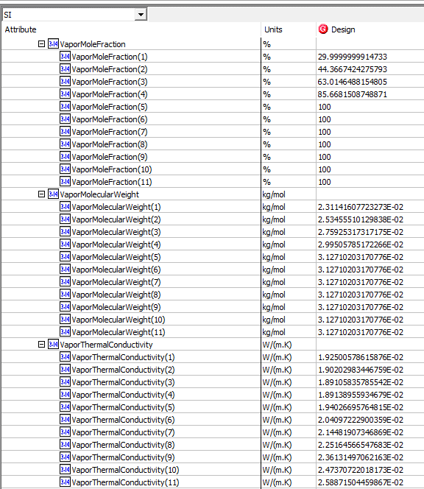
 |  |  |  | 827.37109041 | kPa
Curves | Temperature | ColdSideCurves.<Name ExchangerFluidProfileTable>.Temperature.Temperature() | ColdSide.FluidProfiles.<Name ExchangerFluidProfileTable>.Temperature.Temperature() | 224.11289317 | K
 |  |  |  | 234.18327052 | K
 |  |  |  | 244.25364787 | K
 |  |  |  | 254.32402522 | K
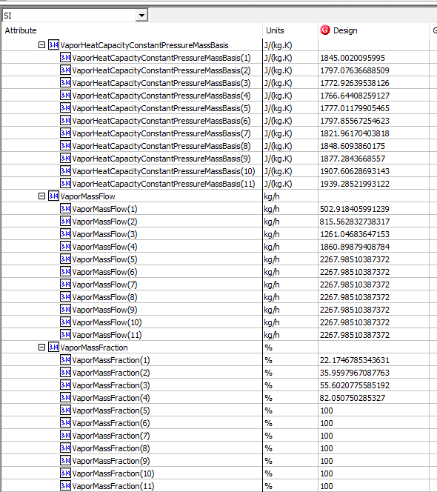
 |  |  |  | 264.39440257 | K
 |  |  |  | 274.46477992 | K
 |  |  |  | 284.53515727 | K
 |  |  |  | 294.60553462 | K
 |  |  |  | 304.67591197 | K
 |  |  |  | 314.74628932 | K
 |  |  |  | 324.81666667 | K
Curves | Vapor Density | ColdSideCurves.<Name ExchangerFluidProfileTable>.VaporDensityMassBasis.VaporDensityMassBasis() | ColdSide.FluidProfiles.<Name ExchangerFluidProfileTable>.VaporDensityMassBasis.VaporDensityMassBasis() | 11.816830789 | kg/m3
 |  |  |  | 12.432594567 | kg/m3
 |  |  |  | 12.999810099 | kg/m3
 |  |  |  | 13.574189902 | kg/m3
 |  |  |  | 13.524593602 | kg/m3
 |  |  |  | 12.803518795 | kg/m3
 |  |  |  | 12.161692326 | kg/m3
 |  |  |  | 11.585176162 | kg/m3
 |  |  |  | 11.063359494 | kg/m3
 |  |  |  | 10.587976721 | kg/m3
 |  |  |  | 10.152464084 | kg/m3
Curves | Vapor Mass Flow | ColdSideCurves.<Name ExchangerFluidProfileTable>.VaporMassFlow.VaporMassFlow() | ColdSide.FluidProfiles.<Name ExchangerFluidProfileTable>.VaporMassFlow.VaporMassFlow() | 502.91841001 | kg/h
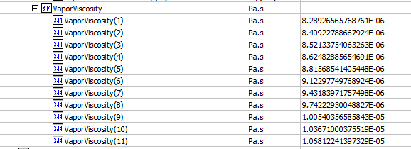
 |  |  |  | 815.56283926 | kg/h
 |  |  |  | 1261.0468466 | kg/h
 |  |  |  | 1860.898809 | kg/h
 |  |  |  | 2267.985122 | kg/h
 |  |  |  | 2267.985122 | kg/h
 |  |  |  | 2267.985122 | kg/h
 |  |  |  | 2267.985122 | kg/h
 |  |  |  | 2267.985122 | kg/h
 |  |  |  | 2267.985122 | kg/h
 |  |  |  | 2267.985122 | kg/h
Curves | Phase Frac. Mass Basis (Vapour) | ColdSideCurves.<Name ExchangerFluidProfileTable>.VaporMassFraction.VaporMassFraction() | ColdSide.FluidProfiles.<Name ExchangerFluidProfileTable>.VaporMassFraction.VaporMassFraction() | 0.22174678534
 |  |  |  | 0.35959796709
 |  |  |  | 0.55602077559
 |  |  |  | 0.82050750285
 |  |  |  | 1
 |  |  |  | 1
 |  |  |  | 1
 |  |  |  | 1
 |  |  |  | 1
 |  |  |  | 1
 |  |  |  | 1
Curves | Vapor Frac. | ColdSideCurves.<Name ExchangerFluidProfileTable>.VaporMoleFraction.VaporMoleFraction() | ColdSide.FluidProfiles.<Name ExchangerFluidProfileTable>.VaporMoleFraction.VaporMoleFraction() | 0.29999999991
 |  |  |  | 0.44366742428
 |  |  |  | 0.63014648815
 |  |  |  | 0.85668150875
 |  |  |  | 1
 |  |  |  | 1
 |  |  |  | 1
 |  |  |  | 1
 |  |  |  | 1
 |  |  |  | 1
 |  |  |  | 1
Curves | Vapor Mas Specific Heat | ColdSideCurves.<Name ExchangerFluidProfileTable>.VaporSpecificHeat.VaporSpecificHeat() | ColdSide.FluidProfiles.<Name ExchangerFluidProfileTable>.VaporHeatCapacityConstantPressureMassBasis.VaporHeatCapacityConstantPressureMassBasis() | 1.8450020096 | kJ/kg-C
 |  |  |  | 1.7970763669 | kJ/kg-C
 |  |  |  | 1.7729263954 | kJ/kg-C
 |  |  |  | 1.7666440826 | kJ/kg-C
 |  |  |  | 1.7770117991 | kJ/kg-C
 |  |  |  | 1.7978556725 | kJ/kg-C
 |  |  |  | 1.821961704 | kJ/kg-C
 |  |  |  | 1.848609386 | kJ/kg-C
 |  |  |  | 1.8772843669 | kJ/kg-C
 |  |  |  | 1.9076062869 | kJ/kg-C
 |  |  |  | 1.9392852199 | kJ/kg-C
Curves | Vapor MV | ColdSideCurves.<Name ExchangerFluidProfileTable>.VaporMolecularWeight.VaporMolecularWeight() | ColdSide.FluidProfiles.<Name ExchangerFluidProfileTable>.VaporMolecularWeight.VaporMolecularWeight() | 23.114160772 | g/mol
 |  |  |  | 25.345551013 | g/mol
 |  |  |  | 27.592531732 | g/mol
 |  |  |  | 29.950578517 | g/mol
 |  |  |  | 31.271020317 | g/mol
 |  |  |  | 31.271020317 | g/mol
 |  |  |  | 31.271020317 | g/mol
 |  |  |  | 31.271020317 | g/mol
 |  |  |  | 31.271020317 | g/mol
 |  |  |  | 31.271020317 | g/mol
 |  |  |  | 31.271020317 | g/mol
Curves | Vapor Thermal Cond. | ColdSideCurves.<Name ExchangerFluidProfileTable>.VaporThermalConductivity.VaporThermalConductivity() | ColdSide.FluidProfiles.<Name ExchangerFluidProfileTable>.VaporThermalConductivity.VaporThermalConductivity() | 0.019250057862 | W/m-K
 |  |  |  | 0.019020298345 | W/m-K
 |  |  |  | 0.018910583579 | W/m-K
 |  |  |  | 0.018913895593 | W/m-K
 |  |  |  | 0.019402669576 | W/m-K
 |  |  |  | 0.02040972229 | W/m-K
 |  |  |  | 0.021448190735 | W/m-K
 |  |  |  | 0.022516456655 | W/m-K
 |  |  |  | 0.023613149706 | W/m-K
 |  |  |  | 0.024737072202 | W/m-K
 |  |  |  | 0.025887150446 | W/m-K
Curves | Vapor Viscosity | ColdSideCurves.<Name ExchangerFluidProfileTable>.VaporThermalConductivity.VaporViscosity.VaporViscosity() | ColdSide.FluidProfiles.<Name ExchangerFluidProfileTable>.VaporViscosity.VaporViscosity() | 0.0082892656577 | cP
 |  |  |  | 0.0084092278867 | cP
 |  |  |  | 0.0085213375406 | cP
 |  |  |  | 0.0086248288565 | cP
 |  |  |  | 0.0088156854141 | cP
 |  |  |  | 0.0091229774977 | cP
 |  |  |  | 0.0094318397176 | cP
 |  |  |  | 0.0097422293005 | cP
 |  |  |  | 0.010054035659 | cP
 |  |  |  | 0.010367100038 | cP
 |  |  |  | 0.01068122414 | cP

Separator
File name | Seperator.hsc
Unit Operation | V-100

Workflow
1. Open attached Seperator.hsc file.
2. Click on the Datasheet button on the ribbon.
3. Select a server to connect, then connect to a workspace.
4. Go to Mapper tab, click on the hyperlink of V-100 to open Object Mapping screen.
5. Select 'Separator' for the MapAs Column, and 'Create' for Workspace Object column.
6. Click on Close icon at the top right to close the Object Mapping screen.
7. Click Save Change and Transfer button.
8. Click on the Explorer tab, click on V-100 in by Equipment view. Make sure all data are correctly.

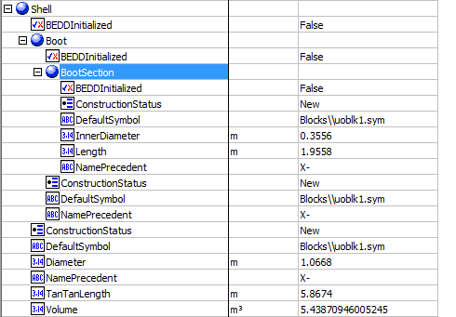
Expected Results |  | Notes: Existing Defect V10 [SM]-Hysys-Separator: Some attributes are transferred incorrectly |  |  |  |  |  | Shell
 |  |  |  |  |  |  | OperatingConditions
Seperator(CQ00746648)
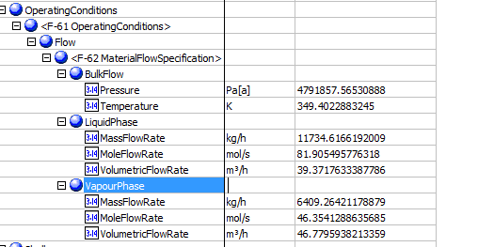
Index Number | Attributes | AbeAds Class View | ABE Class/Separator From Hysys | Hysys Data | Unit

1 | Operating Pressure | PressureOut | OperatingConditions.OperatingConditions.Flow.MaterialFlowSpecification.BulkFlow.Pressure | 4791.8575653 | kPa
2 | Operating Temperature | TemperatureOut | OperatingConditions.OperatingConditions.Flow.MaterialFlowSpecification.BulkFlow.Temperature | 349.40228832 | K
7 | Liquid Quantity | LiquidMassFlow | OperatingConditions.OperatingConditions.Flow.MaterialFlowSpecification.LiquidPhase.MassFlowRate | 11734.616713 | kg/h
8 | Vapor Quantity | VaporMassFlow | OperatingConditions.OperatingConditions.Flow.MaterialFlowSpecification.VapourPhase.MassFlowRate | 6409.2642631 | kg/h
16 | Liquid Molar Flow | LiquidMolarFlow | OperatingConditions.OperatingConditions.Flow.MaterialFlowSpecification.LiquidPhase.MoleFlowRate | 81.905495776 | mol/s
17 | Liquid Volume Flow | LiquidVolumeFlow | OperatingConditions.OperatingConditions.Flow.MaterialFlowSpecification.LiquidPhase.VolumetricFlowRate | 39.371763654 | m3/h
18 | Vapo Molar Flow | VaporMolarFlow | OperatingConditions.OperatingConditions.Flow.MaterialFlowSpecification.VapourPhase.MoleFlowRate | 46.354128864 | mol/s
19 | Vapor Volume Flow | VaporVolumeFlow | OperatingConditions.OperatingConditions.Flow.MaterialFlowSpecification.VapourPhase.VolumetricFlowRate | 46.779594196 | m3/h

3 | Vessel Diameter | VesselDiameter | Shell.Diameter | 1.0668 | m
4 | Vessel T-T Length | VesselTanTanLength | Shell.TanTanLength | 5.8674 | m
5 | Boot Diameter | BootDiameter | Shell.Boot.BootSection.InnerDiameter | 0.3556 | m
6 | Boot Height | BootHeight | Shell.Boot.BootSection.Length | 1.9558 | m
13 | Total Volume | TotalVolume | Shell.Volume | 5.4387094601 | m3
 |  |  |  |  |  |  | Other Values

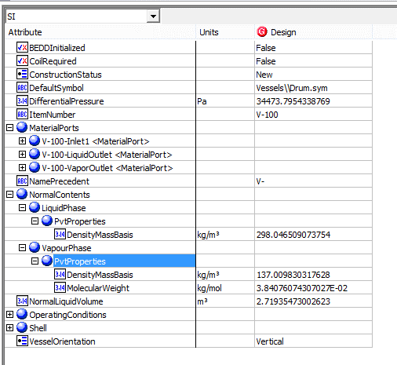
9 | Liquid density at working temperature | LiquidDensityMassBasis | NormalContents.LiquidPhase.PvtProperties.DensityMassBasis | 298.04650907 | kg/m3
10 | Vapor Molecular Weight | VaporMolecularWeight | NormalContents.VapourPhase.PvtProperties.MolecularWeight | 38.407607431 | g/mol
11 | Vapor Density at Working Temperature | VaporDensity | NormalContents.VapourPhase.PvtProperties.DensityMassBasis | 137.00983032 | kg/m3
12 | Orientation | Orientation | VesselOrientation | Vertical
14 | Normal Liquid Volumne | NormalLiquidVolume | NormalLiquidVolume | 2.71935473 | m3
20 | VesselisHeating | VesselIsHeating | CoilRequired | FALSE
15 | Pressure Drop | PressureDrop | DifferentialPressure | 34.473795434 | kPa | Pa

Valve
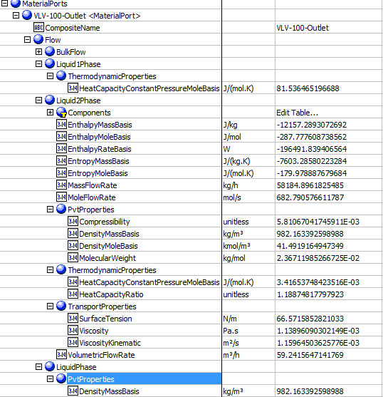
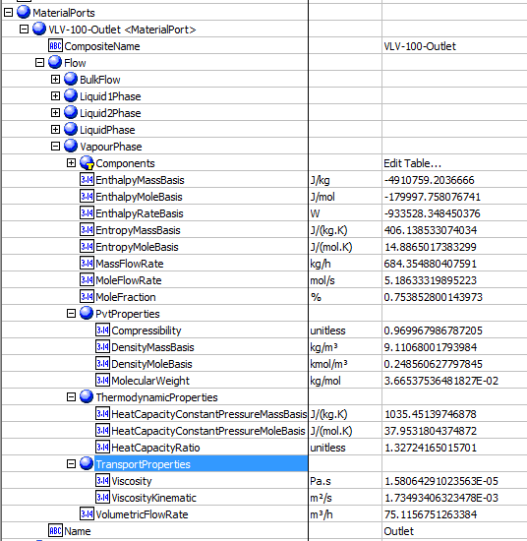
File name | control vavle_v2.0.hsc
Unit Operation | VLV-100

Workflow
1. Open attached control vavle_v2.0.hsc file.
2. Click on the Datasheet button on the ribbon.
3. Select a server to connect, then connect to a workspace.
4. Go to Mapper tab, click on the hyperlink of VLV-100 to open Object Mapping screen.
5. Select 'ControlValve' for the MapAs Column, and 'Create' for Workspace Object column.
6. Make sure the ports of valve are mapped automated.
7. Click on Close icon at the top right to close the Object Mapping screen.
8. Click Save Change and Transfer button. Make sure VLV-100 is created and data transfer complete dialog pops up. Click OK to close it.
9. Click on the Explorer tab, expand the control vavle to see all attributes, make sure all data are transferred correctly.

Expected Results |  |  |  | 59.905345169

Vavle(CQ00746646) |  |  |  |  |  |  | In ABE

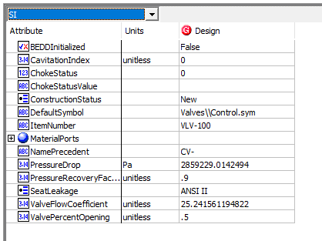
Index Number | Attributes | AbeAdsValve Class View | ABE Default Attributes | Hysys Values | Units

1 | Inlet Mass flow | MassFlowIn | MaterialPorts.[ValveName-"Inlet"].Flow.BulkFlow.MassFlowRate | 58869.251534 | kg/h
2 | Inlet Actual volumetirc flow | VolumetricFlowIn | MaterialPorts.[ValveName-"Inlet"].Flow.BulkFlow.VolumetricFlowRate | 59.905345169 | m3/h
3 | Inlet pressure | PressureIn | MaterialPorts.[ValveName-"Inlet"].Flow.BulkFlow.Pressure | 3548.7049229 | kPa
4 | Differential Pressure | PressureDrop | PressureDrop | 2859.2290142 | kPa
5 | outlet liquid density @normal | Ports.Inlet.Liquid2MassDensity | MaterialPorts.[ValveName-"Outlet"].Flow.LiquidPhase.PvtProperties.DensityMassBasis | 982.1633926 | kg/m3
6 | outlet liquid viscosity @normal | Ports.Outlet.Liquid2Viscosity | MaterialPorts.[ValveName-"Outlet"].Flow.LiquidPhase.TransportProperties.Viscosity | 1.138960903 | cP
7 | Outlet Vapor density @Normal | OutletVaporDensity | MaterialPorts.[ValveName-"Outlet"].Flow.VapourPhase.PvtProperties.DensityMassBasis | 9.1106800179 | kg/m3
8 | Outlet Vapor Molecular Weight | OutletVaporMolecularWeight | MaterialPorts.[ValveName-"Outlet"].Flow.VapourPhase.PvtProperties.MolecularWeight | 36.653753648 | g/mol |  | Outlet
9 | Outlet vapor heat capacity | OutletVaporHeatCapacity | MaterialPorts.[ValveName-"Outlet"].Flow.VapourPhase.ThermodynamicProperties.HeatCapacityConstantPressureMassBasis | 1.03545139746878, 1.32724165 | kJ/(kg.K) | J
10 | Outlet vapor Compressibility facotr | OutletVaporCompressbility | MaterialPorts.[ValveName-"Outlet"].Flow.VapourPhase.PvtProperties.Compressibility | 0.96996798679
11 | Outlet Vapor dynamic viscosity@normal | OutletVaporViscosity | MaterialPorts.[ValveName-"Outlet"].Flow.VapourPhase.TransportProperties.Viscosity | 1.58E-02 | cP | -5 Pas
12 | ValvePercentOpening | ValvePercentOpening | ValvePercentOpening | 0.5 |  |  | Inlet | Outlet-BulkFlow
13 | Choking Status | ChokeStatus | ChokeStatus | 0 |  | 0
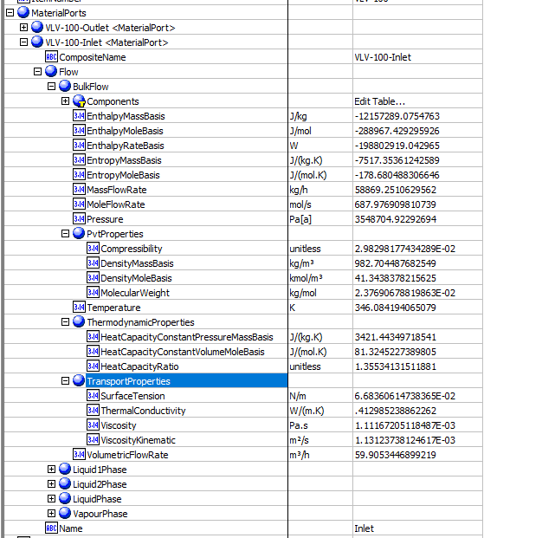
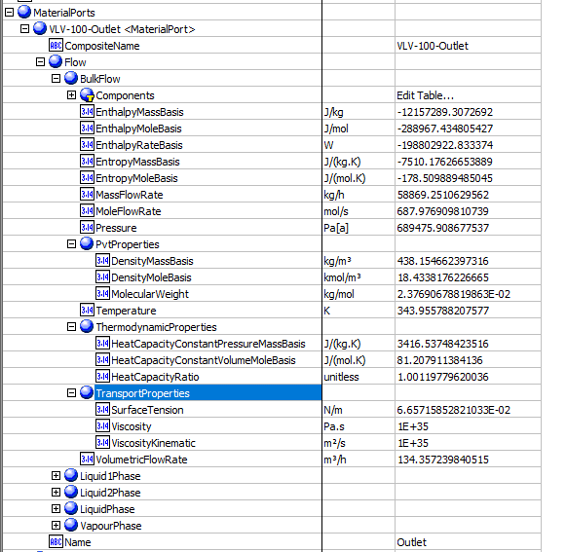
14 | Outlet Pressure | PressureIn | MaterialPorts.[ValveName-"Outlet"].Flow.BulkFlow.Pressure | 689.47590868 | kPa | Pa
15 | ChokedOutletPressure | PressureOutChocked | PressureOutChocked |  |  | not supported
16 | Outlet Temperature | TemperatureOut | MaterialPorts.[ValveName-"Outlet"].Flow.BulkFlow.Temperature | 343.95578821 | K
17 | OutletVaporFaction | VaporMoleFractionOut | MaterialPorts.[ValveName-"Outlet"].Flow.VapourPhase.MoleFraction | 0.0075385280014 | fraction
18 | ValveFlowCoefficient | ValveFlowCoefficient | ValveFlowCoefficient | 25.241561195
19 | CavitationIndex | CavitationIndex | CavitationIndex | 0
20 | PressureRecoveryFactor | PressureRecoveryFactor | PressureRecoveryFactor | 0.9
21 | MoleFlowIn | MoleFlowIn | MaterialPorts.[ValveName-"Inlet"].Flow.BulkFlow.MoleFlowRate | 0.68797690981 | kgmole/s | h
22 | MoleFlowOut | MoleFlowOut | MaterialPorts.[ValveName-"Outlet"].Flow.BulkFlow.MoleFlowRate | 0.68797690981 | kgmole/s | h
23 | MassFlowOut | MassFlowIn | MaterialPorts.[ValveName-"Outlet"].Flow.BulkFlow.MassFlowRate | 58869.251534 | kg/h
24 | Inlet Temperature | TemperatureIn | MaterialPorts.[ValveName-"Outlet"].Flow.BulkFlow.Temperature | 343.955788207577, 346.084194065079 | K

 |  |  |  |  |  |  | Outlet-LiquidPhase | Outlet-VaporPhase

SimpleShell&TubeHE
File name | shell and tube heat exchanger.hsc
Unit Operation | E-01 Simple Design

Workflow
1. Open attached shell and tube heat exchanger.hsc file.
2. Type manually values for Shell side heat tranfer coefficient and tube side heat transfer coefficient
3. Click on the Datasheet button on the ribbon.
4. Select a server to connect, then connect to a workspace.
5. Go to Mapper tab, click on the hyperlink of E-01 Simple Design to open Object Mapping screen.
6. Select 'Shell and Tube Heat Exchanger' for the MapAs Column, and 'Create' for Workspace Object column.
7. Make sure the ports of valve are mapped automated.
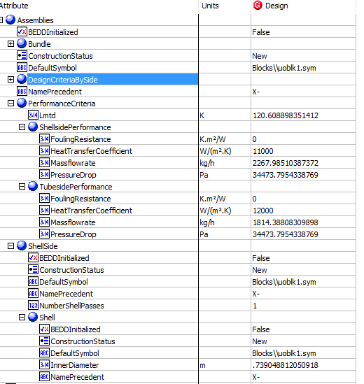
8. Click on Close icon at the top right to close the Object Mapping screen.
9. Click Save Change and Transfer button.
10. Click on the Explorer tab, click on E-01 Simple Design in by Equipment view. Make sure all data are correctly.

Expected Results |  | Notes: For Index 21 and 22, please manully type the value in Hysys, then transfer

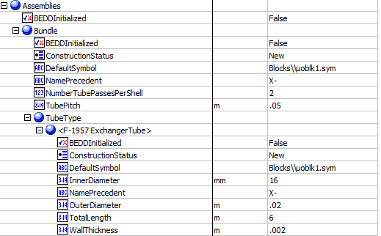
Shell And Tube Exchanger (CQ00748796)
 |  |  |  |  |  |  | Assembies
Index Number | Attributes | AbeAdsClass View | ABE Default Attributes | Hysys Value | Units

1 | Tube side mass flowrate | TubeSideMassFlow | Assemblies.PerformanceCriteria.TubesidePerformance.Massflowrate | 1814.3880976 | kg/h
2 | Shell side mass flowrate | ShellSideMassFlow | Assemblies.PerformanceCriteria.ShellsidePerformance.Massflowrate | 2267.985122 | kg/h
17 | Shell side allowable pressure drop | ShellPressureDrop | Assemblies.PerformanceCriteria.ShellsidePerformance.PressureDrop | 34.473795434 | kPa | Pa
18 | Tube side allowable pressure drop | TubePressureDrop | Assemblies.PerformanceCriteria.TubesidePerformance.PressureDrop | 34.473795434 | kPa | Pa
19 | shell side fouling resistance | ShellFoulingResistance | Assemblies.PerformanceCriteria.ShellsidePerformance.FoulingResistance | 0 | C-h-m2/kJ | Km2W
20 | Tube side fouling resistance | TubeFoulingResistance | Assemblies.PerformanceCriteria.TubesidePerformance.FoulingResistance | 0 | C-h-m2/kJ
21 | Shell side heat transfer coefficient | ShellHeatTransferCoefficient | Assemblies.PerformanceCriteria.ShellsidePerformance.HeatTransferCoefficient | 11000 | W/m2-K
22 | Tube side heat transfer coefficient | TubeHeatTransferCoefficient | Assemblies.PerformanceCriteria.TubesidePerformance.HeatTransferCoefficient | 22000 | W/m2-K
24 | LMTD | LogMeanTemperatureDifference | Assemblies.PerformanceCriteria.Lmtd | 120.60889835 | K
25 | Tube side OD | TubeOutsideDiameter | Assemblies.Bundle.TubeType.OuterDiameter | 20 | mm | m
26 | Tube Thickness | TubeWALLThickness | Assemblies.Bundle.TubeType.WallThickness | 2 | mm | m
27 | Tube Length | TubeLength | Assemblies.Bundle.TubeType.TotalLength | 6 | m
29 | Tube Pitch | TubePitch | Assemblies.Bundle.TubePitch | 50 | mm | m
67 | Number of ShellPasses | NumberOfShellPasses | Assemblies.ShellSide.NumberShellPasses | 1
68 | ShellTEMAType | ShellTEMAType | Assemblies.ShellSide.TemaShellType | AEL |  | not supported
71 | NumberofTubePassesPerShell | NumberOfTubePasses | Assemblies.Bundle.NumberTubePassesPerShell | 2
72 | TubeInsideDiameter | TubeInsideDiameter | Assemblies.Bundle.TubeType.InnerDiameter | 0.016 | m

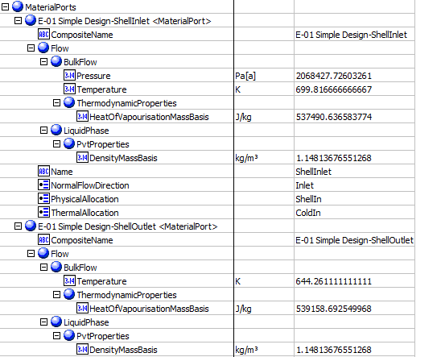
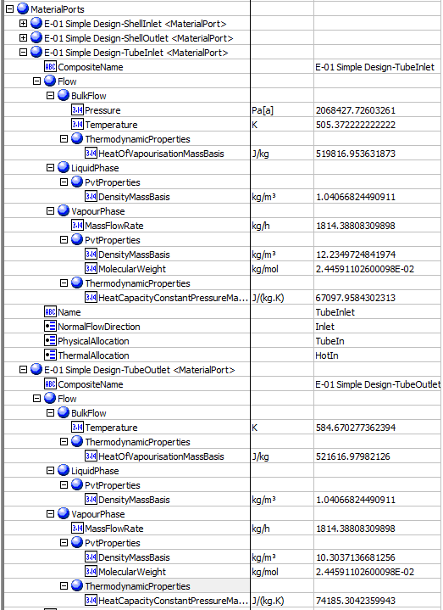
 |  |  |  |  |  |  | MaterialPorts-ShellSide | MaterialPorts-TubeSide
3 | Shell side inlet temperature | ShellInletTemperature | MaterialPorts[PhysicalAllocation="ShellIn"].Flow.BulkFlow.Temperature | 699.81666667 | K
4 | Shell side outlet temperature | ShellOutletTemperature | MaterialPorts[PhysicalAllocation="ShellOut"].Flow.BulkFlow.Temperature | 644.26111111 | K
5 | Tube side inlet temperature | TubeInletTemperature | MaterialPorts[PhysicalAllocation="TubeIn"].Flow.BulkFlow.Temperature | 505.37222222 | K
6 | Tube side outlet temperture | TubeOutletTemperature | MaterialPorts[PhysicalAllocation="TubeOut"].Flow.BulkFlow.Temperature | 584.67027736 | K
7 | Shell side inlet mass density | Ports.HotIn.BulkMassDensity | MaterialPorts[PhysicalAllocation="ShellInlet"].Flow.BulkFlow.PvtProperties.DensityMassBasis | 9.596 | kg/m3
8 | Shell side outlet mass density | Ports.HotOut.BulkMassDensity | MaterialPorts[PhysicalAllocation="ShellOut"].Flow.BulkFlow.PvtProperties.DensityMassBasis | 10.28 | kg/m3
9 | Tube side inlet liquid mass density | Ports.ColdIn.BulkMassDensity | MaterialPorts[PhysicalAllocation="TubeInlet"].Flow.BulkFlow.PvtProperties.DensityMassBasis | 12.23 | kg/m3
10 | Tube side outlet liquid mass density | Ports.ColdOut.BulkMassDensity | MaterialPorts[PhysicalAllocation="TubeOut"].Flow.BulkFlow.PvtProperties.DensityMassBasis | 10.3 | kg/m3
11 | Shell side inlet latent heat | Ports.HotIn.BulkMassHeatOfVapourisation | MaterialPorts[PhysicalAllocation="ShellIn"].Flow.BulkFlow.ThermodynamicProperties.HeatOfVapourisationMassBasis | 537.49063658 | kJ/kg
12 | Shell side outlet latent heat | Ports.HotOut.BulkMassHeatOfVapourisation | MaterialPorts[PhysicalAllocation="ShellOut"].Flow.BulkFlow.ThermodynamicProperties.HeatOfVapourisationMassBasis | 539.15869255 | kJ/kg
13 | Tube side inlet latent heat | Ports.ColdIn.BulkMassHeatOfVapourisation | MaterialPorts[PhysicalAllocation="TubeIn"].Flow.BulkFlow.ThermodynamicProperties.HeatOfVapourisationMassBasis | 519.81695363 | kJ/kg
14 | Tube side outlet latent heat | Ports.ColdOut.BulkMassHeatOfVapourisation | MaterialPorts[PhysicalAllocation="TubeOut"].Flow.BulkFlow.ThermodynamicProperties.HeatOfVapourisationMassBasis | 521.61697982 | kJ/kg
15 | Shell side inlet pressure | HotPressureIn | MaterialPorts[PhysicalAllocation="ShellIn"].Flow.BulkFlow.Pressure | 2068.427726 | kPa
16 | Tube side inlet pressure | ColdPressureIn | MaterialPorts[PhysicalAllocation="TubeIn"].Flow.BulkFlow.Pressure | 2068.427726 | kPa

23 | Duty | Duty | PerformanceCriteria.PerformanceData.ExchangerPerformanceData.HeatDuty | 115536.83652 | W
28 | Shell ID | ShellDiameter | Assemblies.ShellSide.Shell.InnerDiameter | 0.73904881205 | m
62 | UA | UA | PerformanceCriteria.UA | 957.94620544 | W/C
63 | UACurvatureError | UaCurvatureError | UACurvatureError | 0
64 | FT factor | FTFactor | FTFactor | 0.95232374196
65 | HeatLeak | HeatLeak | HeatLeak | 0 | W
66 | HeatLoss | HeatLoss | HeatLoss | 0 | W
69 | Number of Shell in Parallel | ShellParallel | NumberShellsInParallel | 1
70 | Number of Shell in Series | ShellSeries | NumberShellsInSeries | 1 |  |  | Other Value
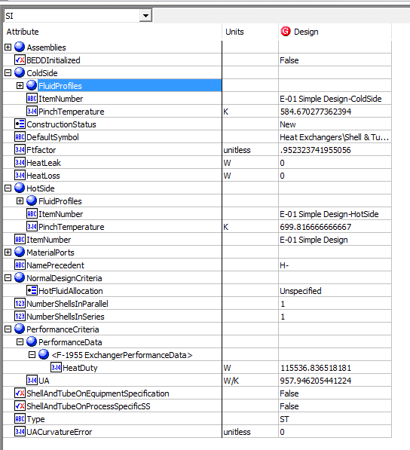
90 | TemperatureHotPinch | TemperatureHotPinch | HotSide.PinchTemperature | 699.81666667 | K
91 | TemperatureColdPinch | TemperatureColdPinch | ColdSide.PinchTemperature | 584.67027736 | K

RigorousShell&TubeHE
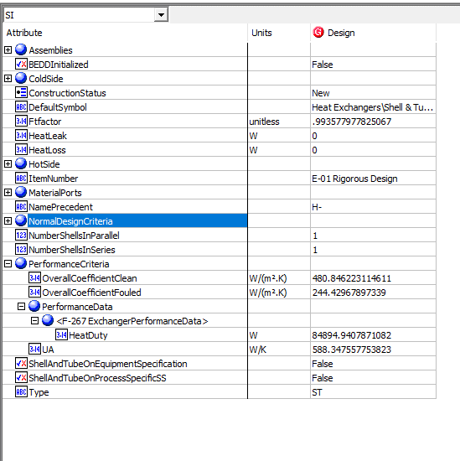
File name | shell and tube heat exchanger.hsc
Unit Operation | E-01 Rigorous Design

Workflow
1. Open attached shell and tube heat exchanger.hsc file.
2. Click on the Datasheet button on the ribbon.
3. Select a server to connect, then connect to a workspace.
4. Go to Mapper tab, click on the hyperlink of E-01 Rigorous Design to open Object Mapping screen.
5. Select 'Shell and Tube Heat Exchanger' for the MapAs Column, and 'Create' for Workspace Object column.
6. Make sure the ports of valve are mapped automated.
7. Click on Close icon at the top right to close the Object Mapping screen.
8. Click Save Change and Transfer button.
9. Click on the Explorer tab, click on E-01 Rigorous Design in by Equipment view. Make sure all data are correctly.

Expected Results

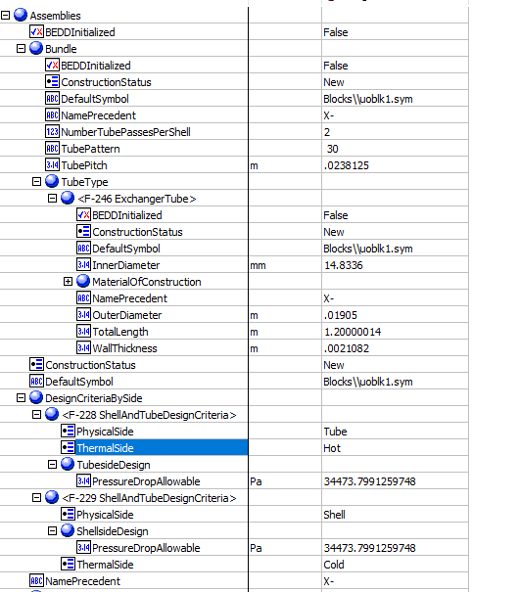
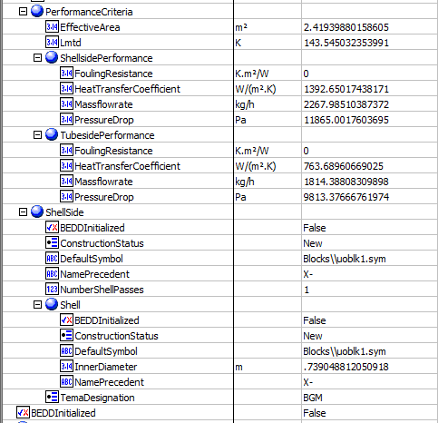
Shell And Tube Exchanger (CQ00746225)
 |  |  |  |  |  |  | Assemblies
Index Number | Attributes | AbeAds Class View | ABE Class/Shell and Tube Heat Exchanger For Transfer from Hysys | Baseline | Units

1 | Tube side mass flowrate | TubeSideMassFlow | Assemblies.PerformanceCriteria.TubesidePerformance.Massflowrate | 0.50399669378 | kg/s
2 | Shell side mass flowrate | ShellSideMassFlow | Assemblies.PerformanceCriteria.ShellsidePerformance.Massflowrate | 0.62999586723 | kg/s
17 | Shell side allowable pressure drop | ShellPressureDropAllowable | Assemblies.DesignCriteriaBySide.<Name ShellAndTubeDesignCriteria>.ShellsideDesign.PressureDropAllowable | 34473.8 | Pa |  | Shell Inlet | Shell Outlet
18 | Tube side allowable pressure drop | TubePressureDropAllowable | Assemblies.DesignCriteriaBySide.<Name ShellAndTubeDesignCriteria>.TubesideDesign.PressureDropAllowable | 34.4738 | kPa
19 | shell side fouling resistance | ShellFoulingResistance | Assemblies.PerformanceCriteria.ShellsidePerformance.FoulingResistance | 0 | C-h-m2/kJ
20 | Tube side fouling resistance | TubeFoulingResistance | Assemblies.PerformanceCriteria.TubesidePerformance.FoulingResistance | 0 | C-h-m2/kJ
21 | Shell side heat transfer coefficient | ShellHeatTransferCoefficient | Assemblies.PerformanceCriteria.ShellsidePerformance.HeatTransferCoefficient | 1392.6500711 | W/m2-K
22 | Tube side heat transfer coefficient | TubeHeatTransferCoefficient | Assemblies.PerformanceCriteria.TubesidePerformance.HeatTransferCoefficient | 763.68963263 | W/m2-K
24 | LMTD | LogMeanTemperatureDifferenceCorrected | Assemblies.PerformanceCriteria.LmtdCorrected | 143.54512646 | K
25 | Tube side OD | TubeOutsideDiameter | Assemblies.Bundle.Tube Type.<Name ExchangerTube>. OutDiameter | 0.01905 | m
26 | Tube thickness | TubeWALLThickness | Assemblies.Bundle.TubeType.<Name ExchangerTube>.WallThickness | 0.0021082 | m
27 | Tube length | TubeLength | Assemblies.Bundle.TubeType.<Name ExchangerTube>.TotalLength | 1.2 | m
28 | Shell ID | ShellDiameter | Assemblies. ShellSide.Shell.InnerDiameter | 0.73904881205 | m
29 | tube pitch | TubePitch | Assemblies.Bundle.TubePitch | 0.0238125 | m
30 | Shell side calculated pressure drop | ShellPressureDropCalculated | Assemblies.PerformanceCriteria.ShellsidePerformance.PressureDrop | 11865.016744 | Pa
31 | Tube side calculated pressure drop | TubePressureDropCalculated | Assemblies.PerformanceCriteria.TubesidePerformance.PressureDrop | 9813.3759404 | Pa
76 | Effective Surface Area | AreaEffective | Assemblies.PerformanceCriteria.EffectiveArea | 2.4193984948 | m2
67 | Number of ShellPasses | NumberOfShellPasses | Assemblies.ShellSide.NumberShellPasses | 1
68 | ShellTEAMType | ShellTEMAType | Assemblies.ShellSide.TemaDesignation | BGM
71 | NumberofTubePassesPerShell | NumberOfTubePasses | Assemblies.Bundle.NumberTubePassesPerShell | 2
72 | TubeInsideDiameter | TubeInsideDiameter | Assemblies.Bundle.TubeType.<Name ExchangerTube>.InnerDiameter | 0.0148336 | m

3 | Shell side inlet temperature | ShellInletTemperature | MaterialPorts.<Name Shell-Inlet>.Flow.BulkFlow.Temperature | 699.81666667 | K
4 | Shell side outlet temperature | ShellOutletTemperature | MaterialPorts.<Name Shell-Outlet>.Flow.BulkFlow.Temperature | 659.31910017 | K
5 | tube side inlet temperature | TubeInletTemperature | MaterialPorts.<Name Tube-Inlet>.Flow.BulkFlow.Temperature | 505.37222222 | K
6 | tube side outlet temperture | TubeOutletTemperature | MaterialPorts.<Name Tube-Outlet>.Flow.BulkFlow.Temperature | 564.42097336 | K | We modify that values to test, not they are not liquid properties but bulk
7 |  | Ports.ColdIn.BulkMassDensity | MaterialPorts.<ColdIn>.Flow.BulkFlow.PvtProperties.DensityMassBasis | 12.234972484 | kg/m^3 | *The values are present in Hysys but are not being transferred to ABE, since the vapor franction is 1 and there is no liquid in the stream | MeterialPorts-TubeInlet |  | MeterialPorts-TubeOutlet | MeterialPorts-ShellInlet | MeterialPorts-ShellOutlet
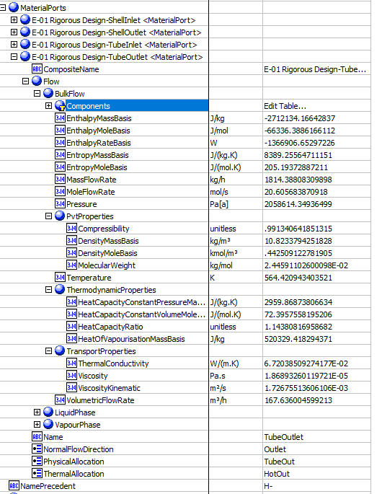
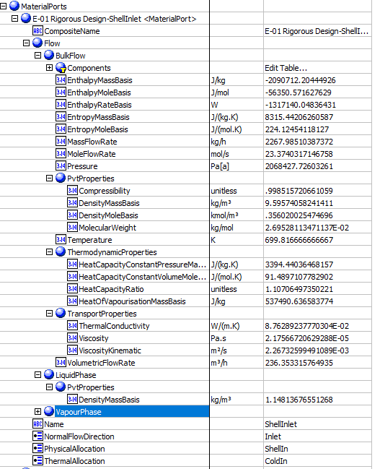
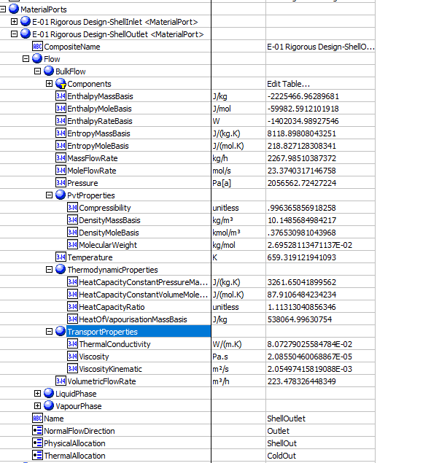
8 |  | Ports.ColdOut.BulkMassDensity | MaterialPorts.<ColdOut>.Flow.BulkFlow.PvtProperties.DensityMassBasis | 10.823378823 | kg/m^3 | *The values are present in Hysys but are not being transferred to ABE, since the vapor franction is 1 and there is no liquid in the stream
9 |  | Ports.HotIn.BulkMassDensity | MaterialPorts.<HotIn>.Flow.BulkFlow.PvtProperties.DensityMassBasis | 9.5957405824 | kg/m^3 | *The values are present in Hysys but are not being transferred to ABE, since the vapor franction is 1 and there is no liquid in the stream
10 |  | Ports.HotOut.BulkMassDensity | MaterialPorts.<HotOut>.Flow.BulkFlow.PvtProperties.DensityMassBasis | 10.148568773 | kg/m^3 | *The values are present in Hysys but are not being transferred to ABE, since the vapor franction is 1 and there is no liquid in the stream
11 | Mass Heat of Vap | Ports.HotIn.BulkMassHeatOfVapourisation | MaterialPorts.<Name Shell-Inlet>.Flow.BulkFlow.ThermodynamicProperties.HeatOfVapourisationMassBasis | 537490.63658 | J/kg
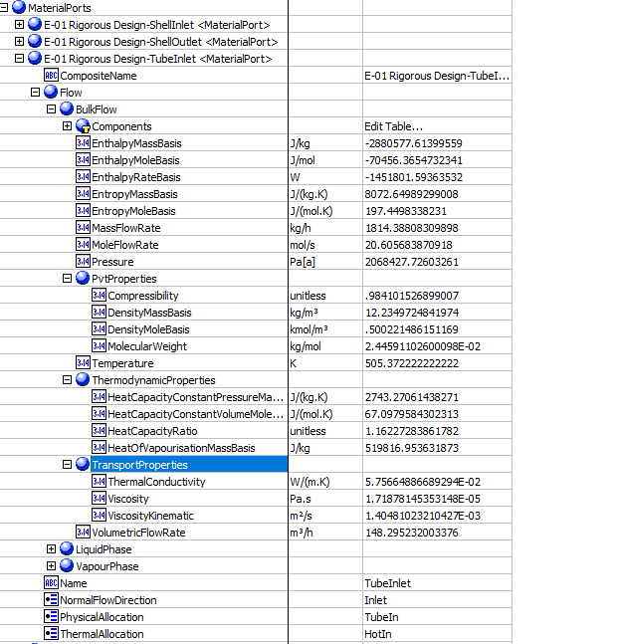
12 | Mass Heat of Vap | Ports.HotOut.BulkMassHeatOfVapourisation | MaterialPorts.<Name Shell-Outlet>.Flow.LiquidPhase.ThermodynamicProperties.HeatOfVapourisationMassBasis | 538064.99703 | J/kg
13 | Mass Heat of Vap | Ports.ColdIn.BulkMassHeatOfVapourisation | MaterialPorts.<Name Tube-Inlet>.Flow.BulkFlow.ThermodynamicProperties.HeatOfVapourisationMassBasis (J/kg) | 519816.95363 | J/kg
14 | Mass Heat of Vap | Ports.ColdOut.BulkMassHeatOfVapourisation | MaterialPorts.<Name Tube-Outlet>.Flow.BulkFlow.ThermodynamicProperties.HeatOfVapourisationMassBasis (J/kg) | 520329.41826 | J/kg
15 | shell side inlet pressure | ColdPressureIn | MaterialPorts.<Name Shell-Intlet>.Flow.BulkFlow.Pressure | 2068.427726 | kPa
16 | tube side inlet pressure | HotPressureIn | MaterialPorts.<Name Tube-Intlet>.Flow.BulkFlow.Pressure | 2068.427726 | kPa

23 | Duty | Duty | PerformanceCriteria.PerformanceData.<Name ExchangerPerformanceData>.HeatDuty | 84894.985475 | W
62 | UA | UA | PerformanceCriteria.UA | 588.34797445 | W/C
74 | Overall Clean Coefficient | Uclean | PerformanceCriteria.OverallCoefficientClean | 480.846221 | W/m2-K
75 | Overall Dirty Coefficient | UFouled | PerformanceCriteria.OverallCoefficientFouled | 244.42967897 | W/m2-K
63 | UACurvatureError | UaCurvatureError | UaCurvatureError | <empty>
64 | FTFactor | FT factor | FT factor | 0.99357880852
65 | HeatLeak | HeatLeak | HeatLeak | 0 | W
66 | HeatLoss | HeatLoss | HeatLoss | 0 | W
69 | Number of Shell in Parallel | ShellParallel | NumberShellsInParallel | 1
70 | Number of Shell in Series | ShellSeries | NumberShellsInSeries | 1
73 | Tube Pattern | TubePattern | Assemblies.Bundle.TubePattern | 30
90 | TemperatureHotPinch | TemperatureHotPinch | HotSide.PinchTemperature | 699.81666667 | K
91 | TemperatureColdPinch | TemperatureColdPinch | ColdSide.PinchTemperature | 564.42097336 | K

 |  |  |  |  |  |  | OtherValues

Air Cooled
Simple Air Cooled

File name | air cooler_2.0 simple.hsc | FILE NOT FOUND
Unit Operation | AC-100

Workflow
1. Open attached air cooler_2.0 simple.hsc file.
2. Click on the Datasheet button on the ribbon.
3. Select a server to connect, then connect to a workspace.
4. Go to Mapper tab, click on the hyperlink of AC-100 to open Object Mapping screen.
5. Select 'Air Cooler Heat Exchanger' for the MapAs Column, and 'Create' for Workspace Object column.
6. Make sure the ports of valve are mapped automated.
7. Click on Close icon at the top right to close the Object Mapping screen.
8. Click Save Change and Transfer button.
9. Click on the Explorer tab, click on AC-100 in by Equipment view. Make sure all data are correctly.

Expected Results

Index Number | Attributes | Hysys Attributes Name | ABE Default Attributes | Hysys Value | Units

1 | Heat exchanged | Heat exchanged | PerformanceCriteria.PerformanceData.HeatDuty | 987160.9291 | W
8 | Tube side mass flow rate | tube side mass flow rate | MaterialPorts[PhysicalAllocation=TubeIn].Flow.BulkFlow.MassFlowRate | 18143.880831 | kg/h
13 | Tube side inlet pressure | Tube side inlet pressure | MaterialPorts[PhysicalAllocation=TubeIn].Flow.BulkFlow.Pressure | 3447379.543 | Pa
17 | Tube side inlet temperature | Tube side inlet temperature | MaterialPorts[PhysicalAllocation=TubeIn].Flow.BulkFlow.Temperature | 699.82 | k
18 | Tube side outlet temperature | Tube side outlet temperature | MaterialPorts[PhysicalAllocation=TubeOut].Flow.BulkFlow.Temperature | 644.261111 | K
49 | Inlet air temperature | Inlet air temperature | MaterialPorts[PhysicalAllocation="ShellIn"].Flow.BulkFlow.Temperature | 298.18 | K
50 | Air mass flowrate | air mass flowrate | MaterialPorts[PhysicalAllocation="ShellIn"].Flow.BulkFlow.MassFlowRate | 424541.44459 | kg/h
51 | Air volumetric flow rate | air volumetric flow rate | Bays.MaterialPorts.Flow.BulkFlow.VolumetricFlowRate | 360000 | m3/h
52 | Outlet air temperature | outlet air temperature | MaterialPorts[PhysicalAllocation="ShellOut"].Flow.BulkFlow.Temperature | 305.92 | K

Rigorous Air Cooled

File name | air cooler_2.0 rigorous.hsc
Unit Operation | AC-100

Workflow
1. Open attached air cooler_2.0 rigorous.hsc file.
2. Click on the Datasheet button on the ribbon.
3. Select a server to connect, then connect to a workspace.
4. Go to Mapper tab, click on the hyperlink of AC-100 to open Object Mapping screen.
5. Select 'Air Cooler Heat Exchanger' for the MapAs Column, and 'Create' for Workspace Object column.
6. Make sure the ports of valve are mapped automated.
7. Click on Close icon at the top right to close the Object Mapping screen.
8. Click Save Change and Transfer button.
9. Click on the Explorer tab, click on AC-100 in by Equipment view. Make sure all data are correctly.

Expected Results

Air Cooled (CQ00745132)
 |  |  |  |  |  |  | PerformanceData
Index Number | AbAdsAirCooledEchanger | Hysys Attributes Name | ABE Default Attributes | Hysys Value | Units

1 | HeatTransfer | heat exchanged | PerformanceCriteria.PerformanceData(1).HeatDuty | 987141.83985 | W
4 | MTDEffective | MTD, eff | PerformanceCriteria.MTDEffective | 274.76855466 | K
5 | TransferRateFinned | Transfer Rate -Finned | PerformanceCriteria.OverallHeatTransferCoefficient | 27.9 | W/(m2.K)
16 | FoulingResistance | Fouling resistance | PerformanceCriteria.PerformanceData(1).FoulingResistance | 0 | m2. K/W |  |  |  | Others
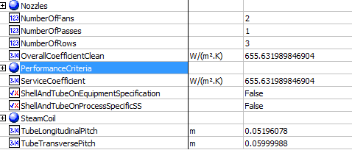
 |  |  |  |  |  |  | Others
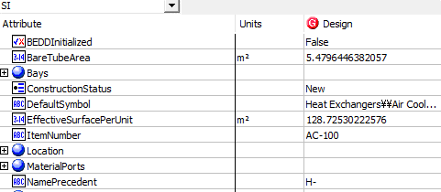
2 | SurfaceAreaPerUnitFinnedTube | Surface/Unit-Finned Tube | EffectiveSurfacePerUnit | 128.72530223 | m2
3 | BareTubeArea | Bare tube area | BareTubeArea | 5.47964463 | m2
6 | TransferRateBare | Transfer Rate - Bare | ServiceCoefficient | 655.63198985 | W/(m2.K)
7 | TransferRateClean | Transfer Rate - Clean | OverallCoefficientClean | 655.63198985 | W/(m2.K)
57 | NumberofTubeRows | No. of Tube Rows | NumberOfRows | 3
66 | HeaderNumberOfPasses | header no. of passes | NumberOfPasses | 1
76 | TubeTransversePitch | tube transverse pitch | TubeTransversePitch | 0.05999988 | m
77 | TubeLongitudinalPitch | tube longitudinal pitch | TubeLongitudinalPitch | 0.05196078 | m
84 | NoOfFansPerBay | No. of Fans per bay | NumberOfFans | 2

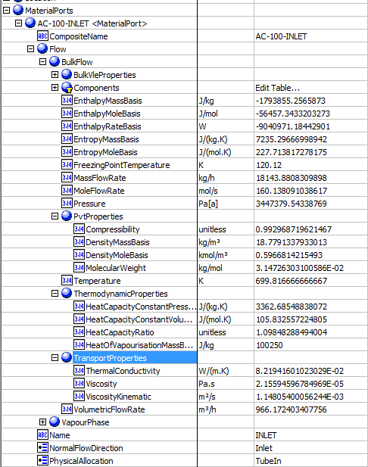
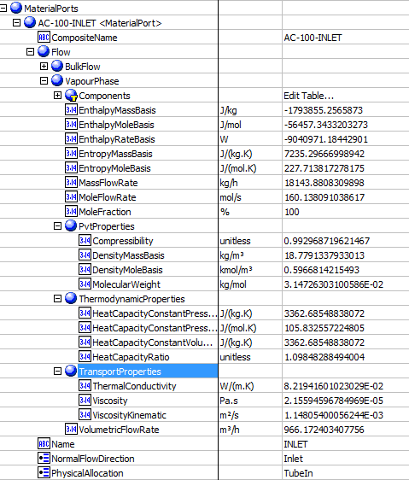
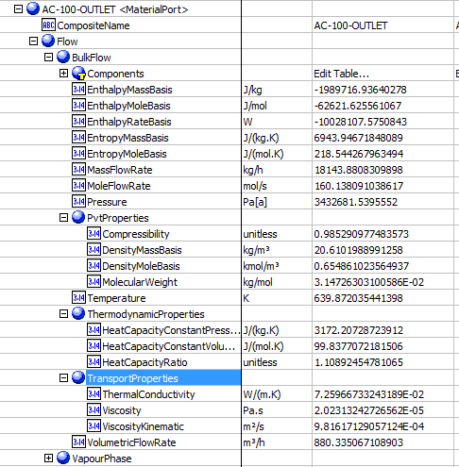
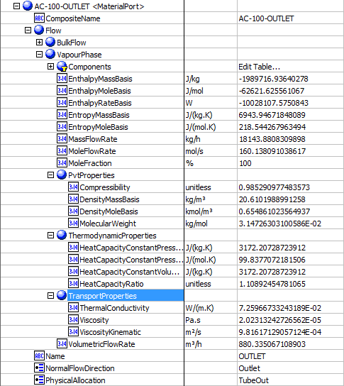
 |  |  |  |  |  |  | MaterialPorts-TubeInlet-BulkFlow |  | MaterialPorts-TubeInlet-VapourPhase |  | MaterialPorts-TubeOutlet-BulkFlow | MaterialPorts-TubeOutlet-VapourPhase
8 | TubeSideMassFlow | tube side mass flow | MaterialPorts[PhysicalAllocation=TubeIn].Flow.BulkFlow.MassFlowRate | 5.0399669378 | kg/s
9 | TubeSideDewPoint | Tube side dew point | MaterialPorts[PhysicalAllocation=TubeIn].Flow.BulkFlow.BulkVleProperties.DewPointTemperature | 307.293, 0 | K | Not supported
10 | TubeSidebuble point | TubeSideInletPressure | MaterialPorts[PhysicalAllocation=TubeIn].Flow.BulkFlow.BulkVleProperties.BubblePointPressure | blank |  | Not supported
11 | TubeSideFreezePoint | Tube side freeze point | MaterialPorts[PhysicalAllocation=TubeIn].Flow.BulkFlow.FreezingPointTemperature | Blank |  | Not supported
12 | TubeSideLatentHeat | Tube side latent heat | MaterialPorts[PhysicalAllocation=TubeIn].Flow.BulkFlow.ThermodynamicProperties.HeatOfVapourisationMassBasis | 379191.81347 | J/kg
13 | TubeSideInletPressure | Tube side inlet pressure | MaterialPorts[PhysicalAllocation=TubeIn].Flow.BulkFlow.Pressure | 3447.3795434 | kPa
17 | TubeInletTemperature | Tube side inlet temperature | MaterialPorts[PhysicalAllocation=TubeIn].Flow.BulkFlow.Temperature | 699.81666667 | K
18 | TubeOutletTemperature | Tube side outlet temperature | MaterialPorts[PhysicalAllocation=TubeOut].Flow.BulkFlow.Temperature | 639.87203544 | K
19 | TubeInletLiquidMassFlow | Tube side inlet liquid mass flow rate | MaterialPorts[PhysicalAllocation=TubeIn].Flow.LiquidPhase.MassFlowRate | 0, blank | kg/h
20 | TubeInletVaporMassFlow | Tube side inlet vapor mass flow rate | MaterialPorts[PhysicalAllocation=TubeIn].Flow.VapourPhase.MassFlowRate | 18143.880976 | kg/h | 5.0399669378
21 | TubeOutletLiquidMassFlow | Tube side outlet liquid mass flow rate | MaterialPorts[PhysicalAllocation=TubeOut].Flow.LiquidPhase.MassFlowRate | 0, blank | kg/h
22 | TubeOutletVaporMassFlow | Tube side outlet vapor mass flow rate | MaterialPorts[PhysicalAllocation=TubeOut].Flow.VapourPhase.MassFlowRate | 18143.880976 | kg/h
23 | TubeInletWaterStreamMassFlow | Tube side inlet water mass flow rate | MaterialPorts[PhysicalAllocation=TubeIn].Flow.CoolingWater.MassFlowRate | empty | kg/h
24 | TubeInletStreamMassFlow | Tube side inlet steam mass flow rate | MaterialPorts[PhysicalAllocation=TubeIn].Flow.Steam.MassFlowRate | empty | kg/h
25 | TubeOutletWaterMassFlow | Tube side outlet water mass flow rate | MaterialPorts[PhysicalAllocation=TubeOut].Flow.CoolingWater.MassFlowRate | empty | kg/h
26 | TubeOutletStreamMassFlow | Tube side outlet steam mass flow rate | MaterialPorts[PhysicalAllocation=TubeOut].Flow.Steam.MassFlowRate | empty | kg/h
27 | TubeInletNonCondensablesMassFlow | Tube side inlet noncondensable flow rate | MaterialPorts[PhysicalAllocation=TubeIn].Flow.NonCondensibles.MassFlowRate | 0, blank | kg/h
28 | TubeOutletNonCondensableMassFlow | Tube side outlet noncondensable flow rate | MaterialPorts[PhysicalAllocation=TubeOut].Flow.NonCondensibles.MassFlowRate | 0, blank | kg/h
29 | TubeInletInletVaporMolecularWeight | Tube side inlet vapor molecular weight | MaterialPorts[PhysicalAllocation=TubeIn].Flow.VapourPhase.PVTProperties.MolecularWeight | 31.47263031 | g/mol
30 | TubeInletNonCondensableMolecularWeight | Tube side inlet noncondensable molecular weight | MaterialPorts[PhysicalAllocation=TubeIn].Flow.NonCondensibles.PVTProperties.MolecularWeight | Blank | g/mol
31 | TubeOutletVaporMolecularWeight | Tube side outlet vapor molecular weight | MaterialPorts[PhysicalAllocation=TubeOut].Flow.VapourPhase.PVTProperties.MolecularWeight | 31.47263031 | g/mol
32 | TubeOutletNonCondensableMolecularWeight | Tube side outlet noncondensable molecular weight | MaterialPorts[PhysicalAllocation=TubeOut].Flow.NonCondensibles.PVTProperties.MolecularWeight | Blank
33 | TubeInletLiquidViscosity | Tube side inlet liquid viscosity | MaterialPorts[PhysicalAllocation=TubeIn].Flow.LiquidPhase.TransportProperties.Viscosity | Blank | cP
34 | TubeInletVaporViscosity | Tube side inlet vapor viscosity | MaterialPorts[PhysicalAllocation=TubeIn].Flow.VapourPhase.TransportProperties.Viscosity | 0.0216 | cP
35 | TubeOutletLiquidViscosity | Tube side outlet liquid viscosity | MaterialPorts[PhysicalAllocation=TubeOut].Flow.LiquidPhase.TransportProperties.Viscosity | Blank | cP
36 | TubeOutletVaporViscosity | Tube side outlet vapor viscosity | MaterialPorts[PhysicalAllocation=TubeOut].Flow.VapourPhase.TransportProperties.Viscosity | 0.0202 | cP
37 | TubeInletLiquidSpecificHeatCapacity | Tube side inlet liquid specific heat capacity | MaterialPorts[PhysicalAllocation=TubeIn].Flow.LiquidPhase.ThermodynamicProperties.HeatCapacityConstantVolumeMassBasis | Blank | kJ/(kg.K)
38 | TubeInletVaporSpecificHeatCapacity | Tube side inlet vapor specific heat capacity | MaterialPorts[PhysicalAllocation=TubeIn].Flow.VapourPhase.ThermodynamicProperties.HeatCapacityConstantVolumeMassBasis | 3362.6854884 | J/(kg.K)
39 | TubeOutletLiquidSpecificHeatCapacity | Tube side outlet liquid specific heat capacity | MaterialPorts[PhysicalAllocation=TubeOut].Flow.LiquidPhase.ThermodynamicProperties.HeatCapacityConstantVolumeMassBasis | Blank | kJ/(kg.K)
40 | TubeOutletVaporSpecificHeatCapacity | Tube side outlet vapor specific heat capacity | MaterialPorts[PhysicalAllocation=TubeOut].Flow.VapourPhase.ThermodynamicProperties.HeatCapacityConstantVolumeMassBasis | 3172.2168225 | J/(kg.K)
41 | TubeInletLiquidThermalConductivity | Tube side inlet liquid thermal conductivity | MaterialPorts[PhysicalAllocation=TubeIn].Flow.LiquidPhase.TransportProperties.ThermalConductivity | Blank | W/(m.K)
42 | TubeInletVaporThermalConductivity | Tube side inlet vapor thermal conductivity | MaterialPorts[PhysicalAllocation=TubeIn].Flow.VapourPhase.TransportProperties.ThermalConductivity | 0.082194160102 | W/(m.K)
43 | TubeOutletLiquidThermalConductivity | Tube side outlet liquid thermal conductivity | MaterialPorts[PhysicalAllocation=TubeOut].Flow.LiquidPhase.TransportProperties.ThermalConductivity | Blank | W/(m.K) |  | MaterialPort-AirInlet |  | MaterialPort-AirOutlet
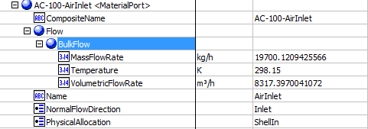
44 | TubeOutletVaporThermalConductivity | Tube side outlet vapor thermal conductivity | MaterialPorts[PhysicalAllocation=TubeOut].Flow.VapourPhase.TransportProperties.ThermalConductivity | 0.0726 | W/(m.K)
45 | TubeInletLiquidDensity | Tube side inlet liquid density | MaterialPorts[PhysicalAllocation=TubeIn].Flow.LiquidPhase.PvtProperties.DensityMassBasis | Blank | kg/m3
46 | TubeInletVaporDensity | Tube side inlet vapor density | MaterialPorts[PhysicalAllocation=TubeIn].Flow.VapourPhase.PvtProperties.DensityMassBasis | 18.78 | kg/m3
47 | TubeOutletLiquidDensity | Tube side outlet liquid density | MaterialPorts[PhysicalAllocation=TubeOut].Flow.LiquidPhase.PvtProperties.DensityMassBasis | Blank | kg/m3
48 | TubeOutletVaporDensity | Tube side outlet vapor density | MaterialPorts[PhysicalAllocation=TubeOut].Flow.VapourPhase.PvtProperties.DensityMassBasis | 20.610095211 | kg/m^3
49 | AirTemperatureIn | Inlet air temperature | MaterialPorts[PhysicalAllocation="ShellIn"].Flow.BulkFlow.Temperature | 298.15 | K
50 | AirMassFlow | air mass flowrate | MaterialPorts[PhysicalAllocation="ShellIn"].Flow.BulkFlow.MassFlowRate | 19700.1211 | kg/h | 5.4722558612
52 | AirTemperatureOut | outlet air temperature | MaterialPorts[PhysicalAllocation="ShellOut"].Flow.BulkFlow.Temperature | 475.93604363 | K
53 | AirFlowPerFan | air flow rate/fan | AirSide.AirFlowRatePerFan | 8317.4 | m3/h | 2.3103888889

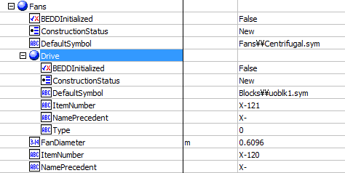
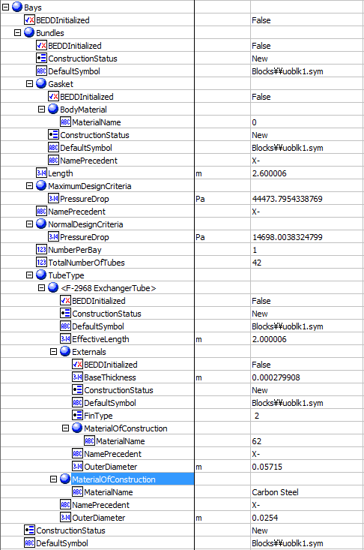
 |  |  |  |  |  |  | Bays -Bundles | Bays -Fans |  | Bays-Material Ports
14 | TubeSideAllowablePressureDrop | Tube side Pressure drop allow | Bays.Bundles.MaximumDesignCriteria.PressureDrop | 44473.795434 | Pa
15 | TubeSideCalculatedPressureDrop | pl | Bays.Bundles.NormalDesignCriteria.PressureDrop | 14698.051333 | Pa
51 | AirVolFlow | air volumetric flow rate | Bays.MaterialPorts(1).Flow.BulkFlow.VolumetricFlowRate | 16634.7878 | m3/h | 4.6207743889
55 | TubeBundleLength | Tube bundle length | Bays.Bundles.Length | 2.6 | m
56 | NumberOfBundlesPerBay | bundle No. / Bay | Bays.Bundles.NumberPerBay | 1
58 | NumberOfTubesPerBundle | No. of tubes per bundle | Bays.Bundles.TotalNumberOfTubes | 42
59 | TubeMaterial | tube material | Bays.Bundles.TubeType(1).MaterialOfConstruction.MaterialName | Carbon Steel
60 | FinMaterial | Fin material | Bays.Bundles.TubeType(1).Externals.MaterialOfConstruction.MaterialName | Aluminum 1060, 62
61 | FinType | Fin type | Bays.Bundles.TubeType(1).Externals.FinType | G-finned
62 | FinThickness | Fin thickness | Bays.Bundles.TubeType(1).Externals.BaseThickness | 0.000279908 | m
63 | HeaderType | header type | Bays.Headers.Type | Box, 1
64 | Headermaterial | header material | Bays.Headers.MaterialOfConstruction.MaterialName | Carbon Steel, 1
65 | HeaderCorrosionAllowence | header corrosion allowence | Bays.Bundles.TubeType(1).MaterialOfConstruction.CorrosionAllowance | Blank | mm
67 | HeaderPlugMaterial | header plug material | Bays.Headers.PlugMaterial.MaterialName | Blank, 0
68 | HeaderGasketMaterial | header gasket material | Bays.Bundles.Gasket.BodyMaterial.MaterialName | Blank, 1
73 | TubeOD | tube O.D | Bays.Bundles.TubeType(1).OuterDiameter | 0.0254 | m
75 | TubeLength | tube length | Bays.Bundles.TubeType(1).EffectiveLength | 2.000006 | m
78 | TubeLayout | tube layout | Bays.Bundles.TubeLayout | 30 | deg |  |  | Bays-Headers
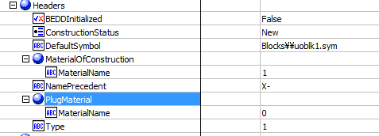
82 | FinOD | Fin OD | Bays.Bundles.TubeType(1).Externals.OuterDiameter | 0.05715 | m
83 | FanModel | Fan model | Bays.Fans.Model | Blank
85 | SpeedRPM | speed RPM | Bays.Fans.Rpm | Blank
86 | FanDiameter | Fan diameter | Bays.Fans.FanDiameter | 0.6096 | m
87 | NoOfBlades | No. of blades | Bays.Fans.NumberOfBlades | Blank
88 | DriverType | driver type | Bays.Fans.Drive.Type | Blank, 0
89 | NoOfDriversPerBay | no. driver per bay | Bays.Fans.Drive.NumberInService | Blank |  | not supported
90 | DriverSpeedRpm | driver speed RPM | Bays.Fans.Drive.Rpm | Blank |  | not supported
91 | DriverEnclosure | driver enclosure | Bays.Fans.Drive.Enclosed | Blank |  | not supported
92 | DriverVolt | driver volt | Bays.Fans.Voltage | Blank |  | not supported
93 | DriverPhase | driver phase | Bays.Fans.Phase | Blank |  | not supported
94 | DriverCycle | driver cycle | Bays.Fans.Cycle | Blank |  | not supported
98 | NoOfSpeedReducerPerBay | no. of speed reducer per bay | Bays.NumberOfSpeedReducers | Blank |  | not supported |  | SteamCoil
 |  |  |  |  |  |  | Location
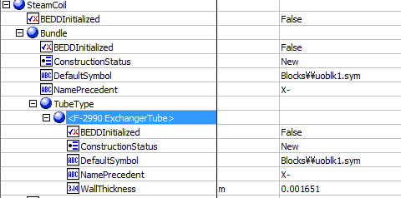
54 | Altitude | altitude | Location.ElevationHeight | 0 | m

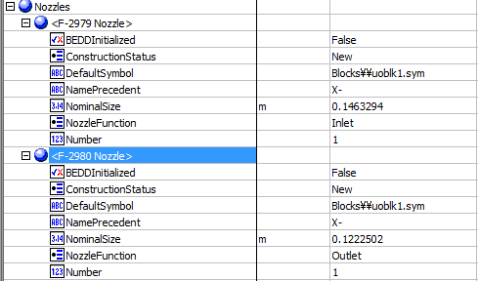
69 | NozzleNumberInlet | inlet nozzle number | Nozzles[NozzleFunction="Inlet"].Number | 1
70 | NozzleSizeInlet | inlet nozzle size | Nozzles[NozzleFunction="Inlet"].NominalSize | 0.1463294 | m |  | Nozzles
71 | NozzleNumberOutlet | outlet nozzle number | Nozzles[NozzleFunction="Outlet"].Number | 1
72 | NozzleSizeOutlet | outlet nozzle size | Nozzles[NozzleFunction="Outlet"].NominalSize | 0.1222502 | m

74 | TubeMinimumWallThickeness | tube minimum wall thickness | SteamCoil.Bundle.TubeType(1).WallThickness | 0.001651 | m

95 | SpeedReducerType | speed reducer type | Reducer.Type | Blank |  | not supported
96 | SpeedReducerManufacturer | speed reducer manufacturer | Reducer.Manufacturer | Blank |  | not supported
97 | SpeedReducerModel | speed reducer model | Reducer.Model | Blank |  | not supported
99 | SpeedRatio | speed ratio |  | Blank |  | not supported

Heat Curves
File name | shell and tube heat exchanger.hsc
Unit Operation | E-01 Simple Design

Workflow
1. Open attached shell and tube heat exchanger.hsc file.
2. Click on the Datasheet button on the ribbon.
3. Select a server to connect, then connect to a workspace.
4. Go to Mapper tab, click on the hyperlink of E-01 Simple Design to open Object Mapping screen.
5. Select 'Shell and Tube Heat Exchanger' for the MapAs Column, and 'Create' for Workspace Object column.
6. Make sure the ports of valve are mapped automated.
7. Click on Close icon at the top right to close the Object Mapping screen.
8. Click Save Change and Transfer button.
9. Click on the Explorer tab, click on E-01 Simple Design in by Equipment view. Make sure all data are correctly.

Expected Results |  | Notes: Existing Defect CQ00770777 V10 [SM]-Hysys-HeatCurves: EnthalpyMoleBasis for HotSide and ColdSide are opposite

HeatCurves (CQ00747073)

Index Number | Ads Path (AbeAdsHeatExchanger) | Attributes | ABE Default Attributes View | Hysys Value | Units

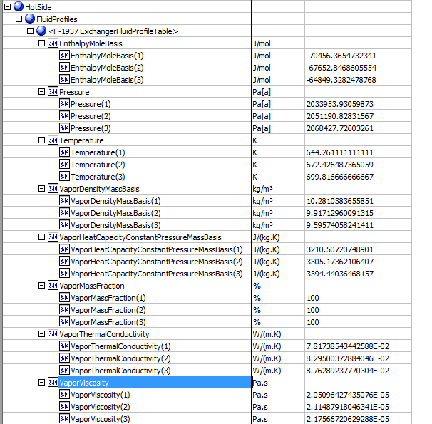
Hot Side |  |  |  |  |  | Hotside
32 | HotSideCurves.<Name ExchangerFluidProfileTable>.Temperature | Temperature | HotSide.FluidProfiles.<Name ExchangerFluidProfileTable>.Temperature
 |  | 1 | 1 | 644.26111111 | K
 |  | 2 | 2 | 672.42648737 | K
 |  | 3 | 3 | 699.81666667 | K
33 | HotSideCurves.<Name ExchangerFluidProfileTable>.Pressure | pressure | HotSide.FluidProfiles.<Name ExchangerFluidProfileTable>.Pressure
 |  | 1 | 1 | 2033.9539 | kPa
 |  | 2 | 2 | 2051.1908 | kPa
 |  | 3 | 3 | 2068.4277 | kPa
62 | HotSideCurves.<Name ExchangerFluidProfileTable>.EnthalpyMoleBasis | EnthalpyMoleBasis | HotSide.FluidProfiles.<Name ExchangerFluidProfileTable>.EnthalpyMoleBasis
 |  | 1 | 1 | -61293.5287 | kJ/kgmole
 |  | 2 | 2 | -58822.0502 | kJ/kgmole
 |  | 3 | 3 | -56350.5716 | kJ/kgmole
35 | HotSideCurves.<Name ExchangerFluidProfileTable>.VaporMassFraction | vapor mass fraction | HotSide.FluidProfiles.<Name ExchangerFluidProfileTable>.VaporMassFraction
 |  | 1 | 1 | 1
 |  | 2 | 2 | 1
 |  | 3 | 3 | 1
36 | HotSideCurves.<Name ExchangerFluidProfileTable>.VaporDensityMassBasis | vapor density | HotSide.FluidProfiles.<Name ExchangerFluidProfileTable>.VaporDensityMassBasis
 |  | 1 | 1 | 10.281 | kg/m3
 |  | 2 | 2 | 9.9171 | kg/m3
 |  | 3 | 3 | 9.5957 | kg/m3
37 | HotSideCurves.<Name ExchangerFluidProfileTable>.LiquidDensityMassBasis | liquid density | HotSide.FluidProfiles.<Name ExchangerFluidProfileTable>.LiquidDensityMassBasis
 |  | 1 | 1 | <empty> | kg/m3
 |  | 2 | 2 | <empty> | kg/m3
 |  | 3 | 3 | <empty> | kg/m3
38 | HotSideCurves.<Name ExchangerFluidProfileTable>.VaporViscosity | vapor viscosity | HotSide.FluidProfiles.<Name ExchangerFluidProfileTable>.VaporViscosity
 |  | 1 | 1 | 2.05E-05 | Pa-s
 |  | 2 | 2 | 2.11E-05 | Pa-s
 |  | 3 | 3 | 2.18E-05 | Pa-s
39 | HotSideCurves.<Name ExchangerFluidProfileTable>.LiquidViscosity | liquid viscosity | HotSide.FluidProfiles.<Name ExchangerFluidProfileTable>.LiquidViscosity
 |  | 1 | 1 | <empty> | Pa-s
 |  | 2 | 2 | <empty> | Pa-s
 |  | 3 | 3 | <empty> | Pa-s
40 | HotSideCurves.<Name ExchangerFluidProfileTable>.VaporThermalConductivity | vapor thermal conductivity | HotSide.FluidProfiles.<Name ExchangerFluidProfileTable>.VaporThermalConductivity
 |  | 1 | 1 | 0.0782 | W/m-K
 |  | 2 | 2 | 0.083 | W/m-K
 |  | 3 | 3 | 0.0876 | W/m-K
41 | HotSideCurves.<Name ExchangerFluidProfileTable>.LiquidThermalConductivity | liquid thermal conductivity | HotSide.FluidProfiles.<Name ExchangerFluidProfileTable>.LiquidThermalConductivity
 |  | 1 | 1 | <empty> | W/m-K
 |  | 2 | 2 | <empty> | W/m-K
 |  | 3 | 3 | <empty> | W/m-K
44 | HotSideCurves.<Name ExchangerFluidProfileTable>.LiquidSurfaceTension | liquid surface tension | HotSide.FluidProfiles.<Name ExchangerFluidProfileTable>.LiquidSurfaceTension
 |  | 1 | 1 | <empty> | dyne/cm
 |  | 2 | 2 | <empty> | dyne/cm
 |  | 3 | 3 | <empty> | dyne/cm
45 | HotSideCurves.<Name ExchangerFluidProfileTable>.LiquidCriticalPressure | liquid critical pressure | HotSide.FluidProfiles.<Name ExchangerFluidProfileTable>.LiquidCriticalPressure
 |  | 1 | 1 | <empty> | kPa
 |  | 2 | 2 | <empty> | kPa
 |  | 3 | 3 | <empty> | kPa
46 | HotSideCurves.<Name ExchangerFluidProfileTable>.LiquidCriticalTemperature | liquid critical temperature | HotSide.FluidProfiles.<Name ExchangerFluidProfileTable>.LiquidCriticalTemperature
 |  | 1 | 1 | <empty> | K
 |  | 2 | 2 | <empty> | K
 |  | 3 | 3 | <empty> | K

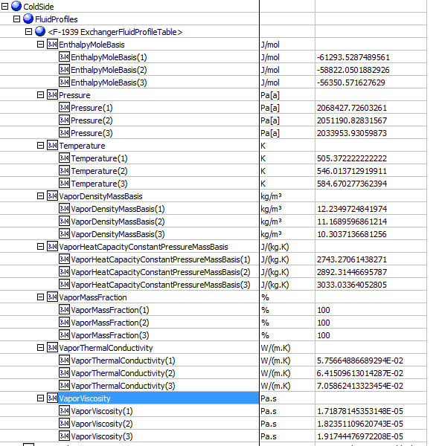
 |  |  |  |  |  | ColdSide
Cold Side
47 | ColdSideCurves.<Name ExchangerFluidProfileTable>.Temperature | temperature(K) | ColdSide.FluidProfiles.<Name ExchangerFluidProfileTable>.Temperature
 |  | 1 | 1 | 505.37222222 | K
 |  | 2 | 2 | 546.01371292 | K
 |  | 3 | 3 | 584.67027736 | K
48 | ColdSideCurves.<Name ExchangerFluidProfileTable>.Pressure | pressure | ColdSide.FluidProfiles.<Name ExchangerFluidProfileTable>.Pressure
 |  | 1 | 1 | 2068.427726 | kPa
 |  | 2 | 2 | 2051.1908 | kPa
 |  | 3 | 3 | 2033.9539 | kPa
49 | ColdSideCurves.<Name ExchangerFluidProfileTable>.EnthalpyMoleBasis | EnthalpyMoleBasis | ColdSide.FluidProfiles.<Name ExchangerFluidProfileTable>.EnthalpyMoleBasis
 |  | 1 | 1 | -70456.365473 | kJ/kgmole
 |  | 2 | 2 | -67652.8469 | kJ/kgmole
 |  | 3 | 3 | -64849.3282 | kJ/kgmole
50 | ColdSideCurves.<Name ExchangerFluidProfileTable>.VaporMassFraction | vapor mass fraction | ColdSide.FluidProfiles.<Name ExchangerFluidProfileTable>.VaporMassFraction
 |  | 1 | 1 | 1
 |  | 2 | 2 | 1
 |  | 3 | 3 | 1
51 | ColdSideCurves.<Name ExchangerFluidProfileTable>.VaporDensityMassBasis | vapor density | ColdSide.FluidProfiles.<Name ExchangerFluidProfileTable>.VaporDensityMassBasis
 |  | 1 | 1 | 12.234972484 | kg/m3
 |  | 2 | 2 | 11.168959686 | kg/m3
 |  | 3 | 3 | 10.303713668 | kg/m3
52 | ColdSideCurves.<Name ExchangerFluidProfileTable>.LiquidDensityMassBasis | liquid density | ColdSide.FluidProfiles.<Name ExchangerFluidProfileTable>.LiquidDensityMassBasis
 |  | 1 | 1 | <empty> | kg/m3
 |  | 2 | 2 | <empty> | kg/m3
 |  | 3 | 3 | <empty> | kg/m3
53 | ColdSideCurves.<Name ExchangerFluidProfileTable>.VaporViscosity | vapor viscosity | ColdSide.FluidProfiles.<Name ExchangerFluidProfileTable>.VaporViscosity
 |  | 1 | 1 | 1.72E-05 | cP
 |  | 2 | 2 | 1.82E-05 | cP
 |  | 3 | 3 | 1.92E-05 | cP
54 | ColdSideCurves.<Name ExchangerFluidProfileTable>.LiquidViscosity | liquid viscosity | ColdSide.FluidProfiles.<Name ExchangerFluidProfileTable>.LiquidViscosity
 |  | 1 | 1 | <empty> | cP
 |  | 2 | 2 | <empty> | cP
 |  | 3 | 3 | <empty> | cP
55 | ColdSideCurves.<Name ExchangerFluidProfileTable>.VaporThermalConductivity | vapor thermal conductivity | ColdSide.FluidProfiles.<Name ExchangerFluidProfileTable>.VaporThermalConductivity
 |  | 1 | 1 | 5.76E-02 | W/m-K
 |  | 2 | 2 | 6.42E-02 | W/m-K
 |  | 3 | 3 | 7.06E-02 | W/m-K
56 | ColdSideCurves.<Name ExchangerFluidProfileTable>.LiquidThermalConductivity | liquid thermal conductivity | ColdSide.FluidProfiles.<Name ExchangerFluidProfileTable>.LiquidThermalConductivity
 |  | 1 | 1 | <empty> | W/m-K
 |  | 2 | 2 | <empty> | W/m-K
 |  | 3 | 3 | <empty> | W/m-K
59 | ColdSideCurves.<Name ExchangerFluidProfileTable>.LiquidSurfaceTension | liquid surface tension | ColdSide.FluidProfiles.<Name ExchangerFluidProfileTable>.LiquidSurfaceTension
 |  | 1 | 1 | <empty> | dyne/cm
 |  | 2 | 2 | <empty> | dyne/cm
 |  | 3 | 3 | <empty> | dyne/cm
60 | ColdSideCurves.<Name ExchangerFluidProfileTable>.LiquidCriticalPressure | liquid critical pressure | ColdSide.FluidProfiles.<Name ExchangerFluidProfileTable>.LiquidCriticalPressure
 |  | 1 | 1 | <empty> | kPa
 |  | 2 | 2 | <empty> | kPa
 |  | 3 | 3 | <empty> | kPa
61 | ColdSideCurves.<Name ExchangerFluidProfileTable>.LiquidCriticalTemperature | liquid critical temperature | ColdSide.FluidProfiles.<Name ExchangerFluidProfileTable>.LiquidCriticalTemperature
 |  | 1 | 1 | <empty> | K
 |  | 2 | 2 | <empty> | K
 |  | 3 | 3 | <empty> | K

Compressor
File name | Compressor & Compressor Curves.hsc
Unit Operation | K-100

Workflow
1. Open attached Compressor Curves.hsc file.
2. Click on Datasheet button, select a server and workspace to connect .
3. Click on Mapper tab, click on the hyperlink of K-100, map K-100 as centrifugal compressor, and select Create for Workspace Object column.
4. Close the Object Mapping screen, click Save Change and Transfer.
5. Back to ABE Explorer, doube click on the object to see the attributes. Make sure all data can be transferred to ABE correctly.

Expected Results |  |  |  |  |  |  | In ABE | MaterialPorts-Inlet | MaterialPorts-Outlet
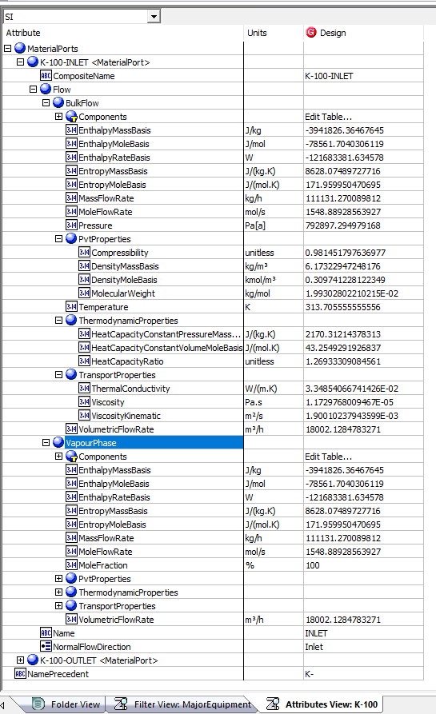
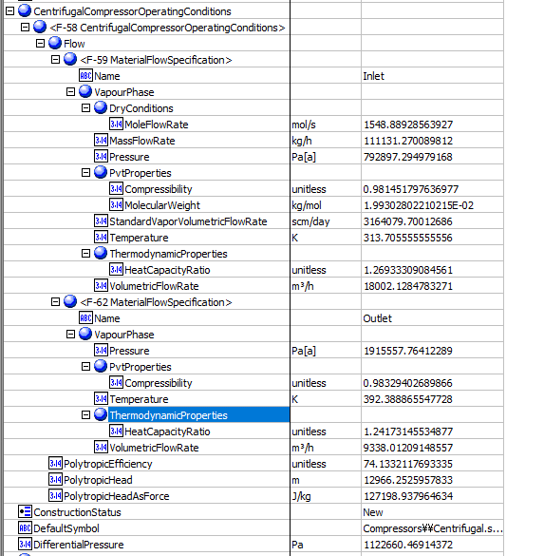

Compressor(CQ00744505)

Index Number | Attributes | AbeAds Compressor Class View | Abe Default Attributes View | Hysys value | Unit

1 | Standard Volumetric Flowrate | StandardVaporVolumetricFlowRate | CentrifugalCompressorOperatingConditions.Flow[Name=Inlet].VapourPhase.StandardVaporVolumetricFlowRate | 36.622595705 | scm/s | same as in the image
2 | Mass Flow Rate (kg/h) | MassFlowIn | CentrifugalCompressorOperatingConditions.Flow[Name=Inlet].VapourPhase.MassFlowRate | 30.869797494 | kg/s
3 | Inlet Pressure (kPa) | PressureIn | CentrifugalCompressorOperatingConditions.Flow[Name=Inlet].VapourPhase.Pressure | 792897.29498 | Pa
4 | Inelet Temperature (K) | TemperatureIn | CentrifugalCompressorOperatingConditions.Flow[Name=Inlet].VapourPhase.Temperature | 313.70555556 | K
5 | Molecular Weight | MolecularWeight | CentrifugalCompressorOperatingConditions.Flow[Name=Inlet].VapourPhase.PvtProperties.MolecularWeight | 19.930280221 | g/mol | Kg/mol
6 | Inlet Cp/Cv | SpecificHeatRatioIn | CentrifugalCompressorOperatingConditions.Flow[Name=Inlet].VapourPhase.ThermodynamicProperties.HeatCapacityRatio | 1.2693330908
7 | Inlet Z factor | CompressibiltyIn | CentrifugalCompressorOperatingConditions.Flow[Name=Inlet].VapourPhase.PvtProperties.Compressibility | 0.98145179764
8 | Inlet Volumetric Flowrate(ACT_m3/h) | VolumetricFlowIn | CentrifugalCompressorOperatingConditions.Flow[Name=Inlet].VapourPhase.VolumetricFlowRate | 18002.128622 | (ACT_m3/h) | 5.000591284
9 | Discharge Pressure(kPa) | PressureOut | CentrifugalCompressorOperatingConditions.Flow[Name=Outlet].VapourPhase.Pressure | 1915557.7641 | Pa
10 | Discharge Temperature (K) | TemperatureOut | CentrifugalCompressorOperatingConditions.Flow[Name=Outlet].VapourPhase.Temperature | 392.38886555
11 | Discharge Cp/Cv | SpecificHeatRatioOut | CentrifugalCompressorOperatingConditions.Flow[Name=Outlet].VapourPhase.ThermodynamicProperties.HeatCapacityRatio | 1.2417314553
12 | Discharge Z factor | CompressibiltyOut | CentrifugalCompressorOperatingConditions.Flow[Name=Outlet].VapourPhase.PvtProperties.Compressibility | 0.9832940269
13 | Polytropic Head (m) | PolytropicHead (m) | CentrifugalCompressorOperatingConditions.PolytropicHead | 12970.681932 | m
14 | Polytropic Efficiency/Isentropic | PolytropicEfficiency | CentrifugalCompressorOperatingConditions.PolytropicEfficiency | 0.74133211769
16 | Mole Flow Rate (gmole/s) | MolarFlowIn | CentrifugalCompressorOperatingConditions(1).Flow[Name=Inlet].VapourPhase.DryConditions.MoleFlowRate | 1.5488892856 | kmol/s
20 | Volumetric flowOut (ACT_m3/h) | VolumetricFlowOut | CentrifugalCompressorOperatingConditions.Flow[Name=Outlet].VapourPhase.VolumetricFlowRate | 2.5938922684 | m^3/s
21 | Pressure Drop (kPa) | PressureDrop | DifferentialPressure | 1122660.4691 | Pa | Differencial motors

Compressor Curves(CQ00744505) |  |  |  |  |  |  | Compressor Curves in ABE


Index Number | Attributes | AbeAds Class View | Abe Default Attributes View | Hysys Data | Units

23 | Curve Speed (rpm) | Curves(1).Speed | FluidTransferCurve.Speed | 7991.9998402 | rpm

1 | Efficiency (%) | DataEfficiency (%) | FluidTransferCurve.PerformanceCurve.CurveData.Efficiency
 | 1 |  | 1 | 0.76
 | 2 |  | 2 | 0.79
 | 3 |  | 3 | 0.8
 | 4 |  | 4 | 0.78
 | 5 |  | 5 | 0.76
 | 6 |  | 6 | 0.72

2 | Flow (ACT_m3/h) | DataFlow | FluidTransferCurve.PerformanceCurve.CurveData.Flow
 | 1 |  | 1 | 11500 | ACT_m3/h | 3.1944444444
 | 2 |  | 2 | 13000 | ACT_m3/h | 3.6111111111
 | 3 |  | 3 | 15000 | ACT_m3/h | 4.1666666667
 | 4 |  | 4 | 16000 | ACT_m3/h | 4.4444444444
 | 5 |  | 5 | 17000 | ACT_m3/h | 4.7222222222
 | 6 |  | 6 | 18000 | ACT_m3/h | 5

3 | Head (m) | DataHead | FluidTransferCurve.PerformanceCurve.CurveData.Head
 | 1 |  | 1 | 17500 | m
 | 2 |  | 2 | 17000 | m
 | 3 |  | 3 | 16000 | m
 | 4 |  | 4 | 15500 | m
 | 5 |  | 5 | 14500 | m
 | 6 |  | 6 | 12600 | m

3 | Head (m) | DataHead | FluidTransferCurve.PerformanceCurve.CurveData.HeadAsForce
 | 1 |  | 1 | 171.67 | kJ/kg
 | 2 |  | 2 | 166.77 | kJ/kg
 | 3 |  | 3 | 156.96 | kJ/kg
 | 4 |  | 4 | 152.05 | kJ/kg
 | 5 |  | 5 | 142.24 | kJ/kg
 | 6 |  | 6 | 123.61 | kJ/kg

Multi- Compressor


File name | ThreeStageCompressor.hsc
Unit Operation | K-100

Workflow (please see detailed test case on P4)
1. Open attached ThreeStageCompressor.hsc file.
2. Click on Datasheet button, select a server and workspace to connect .
3. Click on Mapper tab, click on the hyperlink of K-101, make sure Object Mapping screen opens, and the ports are mapped automactially in Port Mapping section.
4. Select "CompressorStage" under "Map As" column, and " Create" under "Workspace Object" column. Close the Object Mapping screen by clicking "x" at the top right corner.
5. Repeat step 4 for K-102 and K-103. Click Save Change and Transfer.
6. Click on the Explorer tab, create a Centrifuagl Compressor in by Equipment view. E.g. K-100
7. In the attribute view, click on "Show/Hide properties" icon, and select "Show All Atrribuetes".
8. Scroll down to "Stage", right click on Design column, and select "Insert Existing Object" in the context menu.
9. Select K-101<CompressorStage>, and click OK. Make sure the stage name will chang to K-100-Stage-1 <CompressorStage>.
9. Repeate step 8 to insert K-102 and K-103.
10. Click on the "Execute Script" icon on aBar, and select "Stage Calculations" method. Select the created centrifugal compressor, click "Execute".
11. Back to the Attributes view, expand K-100 outlet material port, and verify the data is same as the outlet of the last stage listed under the Stage attributes.

Expected Results |  |  |  |  |  | Stages


Multi-Compressors(CQ00730640) |  | Defect

K-101
Index Number | Attributes | AbeAds Class View | Abe Default Attributes View | Hysys Data | Units

9 | Discharge Pressure(kPa) | Pressure Out (Pa[a]) | Outlet Pressure (Pa[a]) | 1915.5577641 | kPa
10 | Discharge Temperature (K) | Temperature Out (K) | Outlet Temperature (K) | 392.38886555 | K

Compare Data

Created Compressor-Outlet |  |  |  |  | Last stage -Outlet

Expander
File name | deep cut terbo-expander plant.hsc
Unit Operation | gas turbine

Workflow
1. Open attached deep cut terbo-expander plant.hsc file.
2. Click on the Datasheet button, select a sever to connect, then select a workspace to connect.
3. Click on the Mapper tab, Mapper page opens.
4. Click on the hyperlink of gas turbine to open the Object Mapping screen.
5. Select Gas Turbine for Map As column, Create for Workspace column. Make sure the ports are mapped automatically in the Ports Mapping section.
6. Click on the "x" at the right top corner to close the Object Mapping screen.
7. Click Save Change and Transfer.
8. Click on "Explorer" tab, confirm gas turbine is shown in by Equipment view and all data are transferred correctly. Also you can check data in desktop Explorer, doube click on the object to see the attributes.

Expected Results |  | Notes: Existing Defect CQ00768924 V10 [SM]-Hysys-Expander: Polytropic and Adiabatic Efficiency is incorrect

Expander(CQ00748768)
 |  |  |  |  |  |  | In ABE
Index Number | Attributes | AbeAds Class View | Abe Default Attributes View | Hysys Value | Unit |  |  | Inlet | Outlet



4 | CompressibilityIn (Z factor) | CompressibiltyIn | MaterialPorts[Name="Inlet"].Flow.BulkFlow.PvtProperties.Compressibility | 0.99792484365 | unitless
5 | CompressibilityOut | CompressibiltyOut | MaterialPorts[Name="Outlet"].Flow.BulkFlow.PvtProperties.Compressibility | 0.99595194285 | unitless
6 | IsentropicCoefficient (Efficiency) | IsentropicCoefficient | NO ABE Mapping provided | 78.298208602 | %
7 | Outlet Pressure(kPa) | PressureOut | MaterialPorts[Name="Outlet"].Flow.BulkFlow.Pressure (Pa[a]) | 3395880.9617 | Pa
8 | Outlet Temperature (K) | TemperatureOut | MaterialPorts[Name="Outlet"].Flow.BulkFlow.Temperature (K) | 461.55966504 | kPa
9 | MassFlowin (kg/h) | MassFlowIn | MaterialPorts[Name="Inlet"].Flow.BulkFlow.MassFlowRate (kg/h) | 0.50399669378 | kg/s
10 | MoleFlowin (gmol/s) | MoleFlowIn | MaterialPorts[Name="Inlet"].Flow.BulkFlow.MoleFlowRate (mol/s) | 0.016366631301 | kmol/s
11 | MassFlowOut (kg/h) | MassFlowOut | MaterialPorts[Name="Outlet"].Flow.BulkFlow.MassFlowRate (kg/h) | 0.50399669378 | kg/s
12 | MoleflowOut (gmol/s) | MoleFlowOut | MaterialPorts[Name="Outlet"].Flow.BulkFlow.MoleFlowRate (mol/s) | 0.016366631301 | kmol/s | Re
13 | EnthalpyFlowIn (kJ/kg) | EnthalpyFlowIn | MaterialPorts[Name="Inlet"].Flow.BulkFlow.EnthalpyMassBasis (J/kg) | -3234574.1958 | J/kg
14 | EnthalpyFlowOut (kJ/kg) | EnthalpyFlowOut | MaterialPorts[Name="Outlet"].Flow.BulkFlow.EnthalpyMassBasis (J/kg) | -3254012.6999 | J/kg
15 | VolumetricFlowOut (m3/h) | VolumetricFlowOut | MaterialPorts[Name="Outlet"].Flow.BulkFlow.PvtProperties.VolumetricFlowRate(m3/h) | 0.018420431907 | m^3/s
19 | PressureDrop (kPa) | PressureDrop | DeltaP (Pa) | 740974.49034 | Pa | Pa
20 | Polytropic Efficiency | PolytropicEfficiency | PolytropicEfficiency | 0.77926442676
21 | PressureRatio | PressureRatio | TurbineSection. PressureRatio | 0.82088460694

Expander Curves

Index Number | AbeAds Class View | Attributes | Abe Default Attributes View | Hysys Value | Units

 |  |  |  |  |  |  | Curves
23 | Speed (rpm) | Curve Speed (rpm) | Curves(1).Speed | 1200 | rpm

1 | DataEfficiency (%) | Efficiency (%) | Curves(1).CurveData(No).Efficiency
 |  | 1 | 1 | 60 | %
 |  | 2 | 2 | 70 | %
 |  | 3 | 3 | 72 | %
 |  | 4 | 4 | 75 | %
 |  | 5 | 5 | 80 | %
 |  | 6 | 6 | 82 | %

2 | DataFlow | Flow (m3/h) | Curves(1).CurveData(No).Flow
 |  | 1 | 1 | 20 | m3/h
 |  | 2 | 2 | 30 | m3/h
 |  | 3 | 3 | 40 | m3/h
 |  | 4 | 4 | 50 | m3/h
 |  | 5 | 5 | 60 | m3/h
 |  | 6 | 6 | 70 | m3/h

3 | DataHead | Head (m) | Curves(1).CurveData(No).Head
 |  | 1 | 1 | 1200 | m
 |  | 2 | 2 | 1500 | m
 |  | 3 | 3 | 1900 | m
 |  | 4 | 4 | 2400 | m
 |  | 5 | 5 | 2600 | m
 |  | 6 | 6 | 3000 | m

4 | DataHead | Head (kJ/kg) | Curves.FluidTransferCurve.PerformanceCurve.CurveData.Head
 |  | 1 | 1 | 11.772 | kJ/kg
 |  | 2 | 2 | 14.715 | kJ/kg
 |  | 3 | 3 | 18.639 | kJ/kg
 |  | 4 | 4 | 23.544 | kJ/kg
 |  | 5 | 5 | 25.506 | kJ/kg
 |  | 6 | 6 | 29.43 | kJ/kg

Streams
File name | Natural Gas Dehydration with TEG.hsc | In local examples
Unit Operation | TEG to Pump

Workflow
1. Open attached Natural Gas Dehydration.hsc file.
2. Click on the Datasheet button on the ribbon.
3. Select a server to connect, then connect to a workspace.
4. Go to Mapper tab, click on the hyperlink of TEG to Pump, Stream Mapping screen opens.
5. Select 'Primary Stram' for the MapAs Column, and 'Create' for Workspace Object column.
6. Click on Close icon at the top right to close the Stream Mapping screen.
7. Click Save Change and Transfer button.
8. Click on the Explorer tab, click on TEG to Pump in by Folder view. Make sure all data are correctly.

Expected Results
 |  |  |  |  |  | In ABE
Stream (CQ00730633)

Index Number | Attributes | AbeAdsPipingSystem | ABE Default Attributes View | Baseline | Unit

11 | Compressbility(Z Factor) | BulkCompressibility | NormalFlow. BulkFlow.PvtProperties.Compressiblity | 4.17E-03 | unitless
23 | HeatCapacityRatio(Cp/Cv) | BulkHeatCapacityRatio | NormalFlow. BulkFlow.ThermodynamicProperties.HeatCapacityRatio | 1.0404708581
26 | MassDensity(kg/m3) | BulkMassDensity | NormalFlow. BulkFlow.PvtProperties.DensityMassBasis | 1032.1270636 | kg/m3
27 | MassEnthalpy(J/g) | BulkMassEnthalpy | NormalFlow. BulkFlow.EnthalpyMassBasis | -5.25E+06 | J/kg
28 | MassEntropy(J/g-K) | BulkMassEntropy | NormalFlow. BulkFlow.EntropyMassBasis | 1538.6498588 | J/(kg.K)
29 | MassFlow(kg/h) | BulkMassFlow | NormalFlow. BulkFlow.MassFlowRate | 0.14213177278 | kg/s
30 | MassHeatCapacity(kJ/kg-C) | BulkMassHeatCapacity | NormalFlow. BulkFlow.ThermodynamicProperties.HeatCapacityConstantPressureMassBasis | 3020.015023 | J/(kg.K)
32 | MolarDensity(kgmole/m3) | BulkMolarDensity | NormalFlow. BulkFlow.PvtProperties.DensityMoleBasis | 7.6076160593 | kmol/m^3
33 | MolarEnthalpy(J/gmole) | BulkMolarEnthalpy | NormalFlow. BulkFlow.EnthalpyMoleBasis | -724269320.68 | J/kmol
34 | MolarEntropy(J/gmol-K) | BulkMolarEntropy | NormalFlow. BulkFlow.EntropyMoleBasis | 209844.2046 | J/(kmol.K)
35 | MolarFlow(gmol/s) | BulkMolarFlow | NormalFlow. BulkFlow.MoleFlowRate | 0.0010421590272 | kmol/s
36 | MolarHeatCapacity(J/gmole-K) | BulkMolarHeatCapacity | NormalFlow. BulkFlow.ThermodynamicProperties.HeatCapacityConstantPressureMoleBasis | 411875.80575 | J/(kmol.K)
38 | MolecularWeight | BulkMolecularWeight | NormalFlow. BulkFlow.PvtProperties.MolecularWeight | 136.3820387 | (g/mol)
44 | Pressure (Kpa) | BulkPressure | NormalFlow. BulkFlow.Pressure | 102731.91009 | (Pa[a])
51 | Surface Tension(N/m) | BulkSurfaceTension | NormalFlow. BulkFlow.TransportProperties.SurfaceTension | 3.61E-02 | (N/m)
52 | Temperature(K) | BulkTemperature | NormalFlow. BulkFlow.Temperature | 402.50259691 | (K)
53 | ThermalConductivity(W/m-K)) | BulkThermalConductivity | NormalFlow. BulkFlow.TransportProperties.ThermalConductivity | 0.19474088108 | (W/(m.K))
58 | Vicosity(cP) | BulkViscosity | NormalFlow. BulkFlow.TransportProperties.Viscosity | 0.0022191581956 | (N/m^2).s
59 | KineticViscosity(cSt) | BulkViscosityKinematic | NormalFlow. BulkFlow.TransportProperties.ViscosityKinematic | 2.14E-06 | m^2/s
60 | VolumetricFlow(m3/h) | BulkVolumetricFlow | NormalFlow. BulkFlow.VolumetricFlowRate | 0.00013698890942 | m^3/s

Vessels
Vessels （CQ00748800）

Test File: | Ammonia Synthesis.hsc
Test UO: | MIX03

Test Inputs:
1. Launch Ammonia Synthesis.hsc file, which is located on local examples
2. In the ribbon bar, click on the Datasheets button. Menu to connect to an ABE server appears.
3. Connect to an ABE server and connect to a workspace.
4. Click on Mapper tab, in the Flowsheet Objects page. Click on object 'MIX01' to enter the Object Mapping page.
5. Select 'Filter' for Map As column, select 'Create' for Workspace Object column.
6. Make sure the ports are auto-mapped. Close the Object Mapping Page.
7. Click the ‘Save Changes’ and 'Transfer ' buttons.
8. The transfer confirmation screen appears when the transfer is complete. Click ‘OK’ to close the screen.
9. Click on Explorer tab and expand the attributes of MIX01, check the attributes list below. The data in ABE should be in accordance with those in A+.

Expected results:
Index Number | Attributes | AbeAdPort Class View |  | In Hysys

4 | BubblePointPressure(KPa) | BulkBubblePointPressure (Pa) |  | 20255.5 | not supported
5 | BubblePointTemperature(K) | BulkBubblePointTemperature K |  | 594.4432 | not supported
9 | CetaneNumber | BulkCetaneNumber |  | 13.2565 | not supported
11 | Inlet 1 Liquid Phase Z Factor | BulkCompressibility |  | 1.0368047
13 | CriticalPressure(kPa) | BulkCriticalPressure(Pa[a]) N/sqm |  | 22064 | not supported
14 | CriticalTemperature(K) | BulkCriticalTemperature(K) |  | 647.096 | not supported
15 | CriticalVolume(cum/kmol) | BulkCriticalVolume(m3/kmol) |  | 0.055947 | not supported
17 | DewPointPressure(kPa) | BulkDewPointPressure(Pa[a]) N/sqm |  | 20255.5 | not supported
18 | DewPointTemperature(K) | BulkDewPointTemperature(K) |  | 594.443 | not supported
19 | Inlet 1 Heat Flow(W) | BulkEnthalpyFlow | W | -140946331.44
22 | GrossHeatingValue(J/kg) | BulkGrossHeatingValue J/kg |  | 0
23 | Inlet 1 Cp/Cv | LiquidHeatCapacityRatio |  | 1.304584 |  | 13.5
26 | Inlet 1 MassDensity(kg/cum) | BulkMassDensity | kg/m3 | 35.219700742
27 | Mass Enthalpy(J/kg) | BulkMassEnthalpy | J/kg | -8.18E+05
28 | Mass Entropy(J/kg-K) | BulkMassEntropy | J/(kg K) | 9621.7598808
29 | MassFlow(kg/s) | BulkMassFlow | kg/s | 172.22725602
30 | MassHeatCapacity (J/kg-K) | BulkMassHeatCapacity | J/(kg K) | 2854.0450558
31 | MassHeatCapacityConstVolume(J/kg-K) | BulkMassHeatCapacityConstVolume |  | 2318.99 | not supported
32 | Molar Density | BulkMolarDensity | kmol/m3 | 2.6088691206
33 | Molar Enthalpy(kJ/kmol) | BulkMolarEnthalpy | J/kmol | -11048040.645
34 | Molar Entropy(kJ/kmol-K) | BulkMolarEntropy | J/(kmol.K) | 129893.63895
35 | Molar Flow(kmol/s) | BulkMolarFlow | kmol/s | 12.757586251
36 | MolarHeatCapacity(J/mol-K) | BulkMolarHeatCapacity | J/(kmol.K) | 38529.572824
38 | MolecularWeight | BulkMolecularWeight | g/mol | 13.499987586
40 | NetHeatingValue(J/kg) | BulkNetHeatingValue |  | 0 | not supported
44 | Pressure(Pa) | BulkPressure | Pa | 14985046.395
47 | SpecificGravityMole | BulkSpecificGravityMole |  | 1 | not supported
48 | StandardLiquidVolumeFlowRate(l/s) | BulkStandardLiquidVolumeFlowRate(l/s) |  | 0.18647 | not supported
51 | Surface Tension(N/m) | BulkSurfaceTension |  | 0
52 | Temperature(K) | BulkTemperature | K | 666.31759089
53 | ThermalConductivity(W/m-K) | BulkThermalConductivity | W/(m K) | 0.13742878141
58 | Vicosity(cP) | BulkViscosity | Pa s | 2.29E-05
59 | KineticViscosity(sqm/sec) | BulkViscosityKinematic | m2/s | 6.50E-07
60 | VolumetricFlow (m3/h) | BulkVolumetricFlow | m3/h | 17604.298266

Column
File name | Acid Gas Cleaning using MDEA.hsc local exmaple
Unit Operation | Regenerator

Workflow
1. Open Acid Gas Cleaning using MDEA.hsc localexmaple file.
2. Click on the Datasheet button on the ribbon.
3. Select a server to connect, then connect to a workspace.
4. Go to Mapper tab, click on the hyperlink of TS1 to open Object Mapping screen.
5. Select 'Column' for the MapAs Column, and 'Create' for Workspace Object column.
6. Make sure the ports of valve are mapped automated.

7. Click on Close icon at the top right to close the Object Mapping screen.
8. Click Save Change and Transfer button.
9. Click on the Explorer tab, expand the control vavle to see all attributes, make sure all data are transferred correctly.
10. repeat steps 4 to 8 for Main TS object
 |  |  | Notes:
Expected Results |  |  | 1. Results in black with Acid Gas Cleaning with MEDA.hsc
 |  |  | 2. Results in green, please use
Column

Tray Section | Main TS
Index Number | Attributes | AbeAds Class View | ABE Class/Ads Tray Section | Hysys Data | Unit

1 | Feed Tray Number |  | FeedTrayNumber(1) | 1_Main TS
2 | Alternate Feed Location (same with Feed Tray Number) |  | AlternateFeedTrayLocation | 1_Main TS, blank
3 | Top Tray Pressure |  | TopTrayPressure | 165.47422 | kPa
4 | Feed Tray Pressure |  | FeedTrayPressure(1) | 165.47422 | kPa
57 | Number of Pump Arounds |  | NumberOfPumpArounds | 0
58 | Number of Tray sizing sections |  |  | 1


59 | BoilupRatio |  | BoilUpRatio | 0.19200874138
60 | CondenserDuty |  | CondenserDuty | 929787.685 | W
61 | ReboilerDuty |  | ReboilerDuty | 1758426.8 | W
62 | ReboilerType |  | ReboilerType | Regular
63 | Reflux Ratio |  | RefluxRatio | 2.9180630218

Column Section | Main TS
6 | Vessel Section |  |  | CS1
35 | number of theorectical stages in each section |  | NumberOfTheoreticalStages | 20
51 | tower inside diameter |  |  | 5.1816 | m | which is the attribute name???
52 | packed height |  | PackedHeight | 4.498848 | m | not supported
53 | packing type |  | PackingType | PALL |  | not supported
54 | packing size |  | PackingSize | 1.5-IN OR 38-MM, 35 in |  | TS-1
55 | surface area |  | SurfaceArea | 130, 140 | m2/m3 | TS-1
56 | section pressure drop |  |  | 17.001939421 | mbar | which is the attribute name???
23 | Tower section diameter |  | TrayDiameter | 0.9144 | m
24 | number of passes in section |  | NumberOfPasses | 1
25 | tray spacing |  | TraySpacing | 0.6096 | m
26 | column cross sectional area |  | CrossSectionalArea | 0.65669289291 | m2
27 | active area |  | ActiveArea | 0.46969497968 | m2
28 | hole area as A% of active area |  | EffectiveHoleArea | 0.1 | unitless
29 | downcomer width top (side) |  | SideDowncomerWidthTop | 182.88001938 | mm
30 | downcomer width bottom (bottom) |  | SideDowncomerWidthBottom | 182.88001938 | mm
31 | downcomer area top (side) |  | SideDowncomerAreaTop | 9.35E-02 | m2
32 | downcomer area bottom (side) |  | SideDowncomerAreaBottom | 9.35E-02 | m2
33 | Total weir length |  | SideWeirlength | 0.73152002907 | m
69 | MaxCapacityFactor |  | MaxCapacityFactor | 0.0723885734342131, 0.018735 | m/s | TS-1
68 | MaxFractionalCapacity |  | MaxFractionalCapacity | 84.4677044721903, 68.9364822651301 | % | TS-1
65 | StichlmairConstant1 |  | StichlmairConstant1 | 1.00589, 48 |  | TS-1
66 | StichlMairConstant2 |  | StichlmairConstant2 | 1.11407, 8 |  | TS-1
67 | StichlMairConstant3 |  | StichlmairConstant3 | 2.98252, 2 |  | TS-1
64 | void fraction |  | VoidFraction | 0.95, 0.76 | unitless | TS-1

Trays | Main TS | AbeAdsColumnSection
9 | Tray Number | Trays(1).TrayNumber |  | 1
10 | vapor to tray temperature | Trays(1).VaporToTrayTemperature |  | 379.587089 | K

11 | Vapor to tray pressure | Trays(1).VaporToTrayPressure |  | 165.47422 | kPa
12 | vapor to tray mass flow | Trays(1).VaporToTrayMassFlow |  | 2766.9368104 | kg/h
13 | vapor to tray actual volumetic flow | Trays(1).VaporToTrayActualVolFlow |  | 2009.9463827 | m3/h
14 | Vapor to Tray molecular weight | Trays(1).VaporToTrayMolecularWeight |  | 22.730553849 | g/mol
15 | Vapor to tray density | Trays(1).VaporToTrayDensity |  | 1.1936735789 | kg/m3
16 | Liquid from tray temperature | Trays(1).LiquidFromTrayTemperature |  | 378.377966 | K
17 | Liquid from tray actual volumetric flow | Trays(1).LiquidFromTrayActualVolFlow |  | 26.170768122 | m3/h
18 | Liquid from tray mass flow | Trays(1).LiquidFromTrayMassFlow |  | 26103.952963 | kg/h
19 | liquid from tray dynamic viscosity | Trays(1).LiquidFromTrayDynamicViscosity |  | 0.81062511614 | cP
20 | liquid from tray density | Trays(1).LiquidFromTrayDensity |  | 997.44695458 | kg/m3
21 | liquid from tray surface tension | Trays(1).LiquidFromTraySurfacetension |  | 41.613873563 | dyne/cm
22 | liquid from tray molecular weight | Trays(1).LiquidFromTrayMolecularWeight |  | 28.108998133 | g/mol


Packing | TS-1
34 | Packing section |  |  | CS1 |  | TS-1
36 | Vapor to section temperature | Packing.VaporToSectionTemperature |  | 482.320982922311, 319.871 | K | TS-1
37 | vapor to section pressure | Packing.VaporToSectionPressure |  | 205.759310461053, 5617132.6 | Kpa,Pa | TS-1
38 | vapor to section molecular weight | Packing.VaporToSectionMolecularWeight |  | 155.801395588453, 19.1094 | g/mol | TS-1
39 | vapor to section density | Packing.VaporToSectionDensity |  | 8.51279799838783, 45.587 | kg/m3 | TS-1
40 | vapor to section dynamic viscosity | Packing.VaporToSectionDynamicViscosity |  | 9.6072397361 | cP | TS-1
41 | vapor to section mass flow | Packing.VaporToSectionMassFlow |  | 335646.1922 | kg/h | TS-1
42 | vapor to section actual volumetric flow | Packing.VaporToSectionActualVolFlow |  | 11.85 | m3/s | TS-1
43 | liquid to section temperature | Packing.LiquidToSectionTemperature |  | 419.81567988 | K | TS-1
44 | liquid to section pressure | Packing.LiquidToSectionPressure |  | 197.87958579 | kPa | TS-1
45 | liquid to section molecular weight | Packing.LiquidToSectionMolecularWeight |  | 165.21699779 | g/mol | TS-1
46 | liquid to section density | Packing.LiquidToSectionDensity |  | 610.10530355 | kg/m3 | TS-1
47 | liquid to section dynamic viscosity | Packing.LiquidToSectionDynamicViscosity |  | 9.17E-02 | cP | TS-1
48 | liquid to section surface tension | Packing.LiquidToSectionSurfaceTension |  | 11.043597242 | dyne/cm | TS-1
49 | liquid to section mass flow | Packing.LiquidToSectionMassFlow |  | 445309.06454 | kg/h | TS-1
50 | liquid to section volumetric flow rate | Packing.LiquidtoSectionVolFlow |  | 0.20274690558 | m3/s | TS-1

PumpAround
70 | Drawstage |  |  | 2_Main TS |  | which is the attribute name???
71 | return stage |  |  | 1_Main TS |  | which is the attribute name???
72 | return temperature |  |  | 342.45067218 | K | which is the attribute name???
73 | volumetric flow |  |  | 331.22942652 | m3/h | which is the attribute name???
74 | heat duty |  |  | -16118912.606 | W | which is the attribute name???
75 | draw temperature |  |  | 440.21158262 | K | which is the attribute name???

